Fig 8 D
0 | 0
0.05605 | 50
0.10755 | 100
0.2263 | 200
0.4686 | 397.4
0.6317 | 588
TG |  |  |  |  |  |  |  |  |  |  |  |  | TC
OD | Mean OD
0.4704 | 0.4387 | 888 |  |  |  |  |  |  |  |  |  |  |  |  | 0.034 | 0 | 0
0.2987 | 0.267 | 596 |  |  |  |  |  |  |  |  |  |  |  |  | 0.09005 | 0.05605 | 50
0.1814 | 0.1497 | 300 |  |  |  |  |  |  |  |  |  |  |  |  | 0.14155 | 0.10755 | 100
0.126 | 0.0943 | 200 |  |  |  |  |  |  |  |  |  |  |  |  | 0.2603 | 0.2263 | 200
0.0865 | 0.0548 | 100 |  |  |  |  |  |  |  |  |  |  |  |  | 0.5026 | 0.4686 | 397.4
0.0572 | 0.0255 | 50 |  |  |  |  |  |  |  |  |  |  |  |  | 0.6657 | 0.6317 | 588
0.0435 | 0.0118 | 25
0.0317 | 0 | 0

 |  |  |  |  |  |  |  |  |  |  |  |  | Pipe weight（g） | total weight（g） | Tissue weight（g） | OD1 | OD2 | Mean OD | Con （mg/dl） | volume(ul) | TC-1 (mg) | Dilution ratio | TG-2 (mg) | liver TG (mg/g liver)
Pipe weight（g） | total weight（g） | Tissue weight（g） | OD1 | OD2 | Mean OD | Con （mg/dl） | volume(ul) | TG-1 (mg) | Dilution ratio | TG-2 (mg) | liver TG (mg/g liver) |  | 1.1234 | 1.1892 | 0.0658 | 0.1726 | 0.1816 | 0.14265 | 126.809917 | 200 | 0.253619834 | 2.5 | 0.634049585 | 9.6360119301 | velicle
1.1234 | 1.1892 | 0.0658 | 0.1942 | 0.2174 | 0.1741 | 360.84986 | 300 | 1.08254958 | 2.5 | 2.70637395 | 41.130303191 | velicle | 1.1079 | 1.1768 | 0.0689 | 0.1298 | 0.1351 | 0.098 | 86.36684 | 200 | 0.17273368 | 2.5 | 0.4318342 | 6.2675500726
1.1083 | 1.1605 | 0.0522 | 0.1161 | 0.1264 | 0.08955 | 185.52698 | 300 | 0.55658094 | 2.5 | 1.39145235 | 26.656175287 |  | 1.1096 | 1.1558 | 0.0462 | 0.1005 | 0.1095 | 0.07055 | 61.503179 | 200 | 0.123006358 | 2.5 | 0.307515895 | 6.6561882035
1.1079 | 1.1768 | 0.0689 | 0.1541 | 0.1998 | 0.14525 | 301.0265 | 300 | 0.9030795 | 2.5 | 2.25769875 | 32.767761248 |  | 1.0926 | 1.1675 | 0.0749 | 0.1818 | 0.1706 | 0.14175 | 125.994715 | 200 | 0.25198943 | 2.5 | 0.629973575 | 8.4108621495
1.0926 | 1.1675 | 0.0749 | 0.2227 | 0.2724 | 0.21585 | 447.42266 | 300 | 1.34226798 | 2.5 | 3.35566995 | 44.802002003 |  | 1.1136 | 1.161 | 0.0474 | 0.141 | 0.1284 | 0.10025 | 88.404845 | 100 | 0.088404845 | 2.5 | 0.2210121125 | 4.6627027954 | G4451
1.1136 | 1.161 | 0.0474 | 0.1324 | 0.1173 | 0.09315 | 192.99194 | 100 | 0.19299194 | 2.5 | 0.48247985 | 10.178899789 | G4451 | 1.1168 | 1.1665 | 0.0497 | 0.0957 | 0.0958 | 0.0613 | 53.124714 | 100 | 0.053124714 | 2.5 | 0.132811785 | 2.6722693159
1.1168 | 1.1665 | 0.0497 | 0.0793 | 0.0858 | 0.05085 | 105.27866 | 100 | 0.10527866 | 2.5 | 0.26319665 | 5.2957072435 |  | 1.1039 | 1.1623 | 0.0584 | 0.1441 | 0.1671 | 0.12115 | 107.335647 | 100 | 0.107335647 | 2.5 | 0.2683391175 | 4.5948479024
1.1039 | 1.1623 | 0.0584 | 0.1907 | 0.2062 | 0.16675 | 345.6089 | 100 | 0.3456089 | 2.5 | 0.86402225 | 14.794901541 |  | 1.1026 | 1.1306 | 0.028 | 0.0927 | 0.1087 | 0.06625 | 57.608325 | 100 | 0.057608325 | 2.5 | 0.1440208125 | 5.1436004464
1.1026 | 1.1306 | 0.028 | 0.0853 | 0.1051 | 0.0635 | 131.5097 | 100 | 0.1315097 | 2.5 | 0.32877425 | 11.7419375

Fig S6 G
TC |  |  |  |  |  |  |  |  |  |  |  |  | TG
Group | ID | Pipe weight（g） | total weight（g） | Tissue weight（g） | OD1 | OD2 | Mean OD | TC (mg/dl) | Dilution ratio | Dilution volume(ul) | TC-2 (*Dilution ratio*Dilution volume, mg/dl) | hepatic TC(mg/g liver weight) | Group | ID | Pipe weight（g） | total weight（g） | Tissue weight（g） | OD1 | OD2 | Mean OD | TG-1 (mg/dl) | Dilution ratio | Dilution volume(ul) | TC-2 (*Dilution ratio*Dilution volume, mg/dl) | hepatic TG (mg/g liver weight)
Flox-NC | 103189 | 1.0751 | 1.1353 | 0.0602 | 0.0356 | 0.0386 | 0.035 | 40.4765 | 6.7 | 250 | 0.677981375 | 11.262149086 | Flox-NC | 103189 | 1.0751 | 1.1353 | 0.0602 | 0.1673 | 0.1518 | 0.11985 | 328.60077 | 4.6 | 250 | 3.778908855 | 62.772572342
 | 103852 | 1.0749 | 1.1147 | 0.0398 | 0.0359 | 0.0367 | 0.0342 | 39.62586 | 6.7 | 250 | 0.663733155 | 16.676712437 |  | 103852 | 1.0749 | 1.1147 | 0.0398 | 0.1105 | 0.1122 | 0.07165 | 189.38953 | 4.6 | 250 | 2.177979595 | 54.723105402
 | 103853 | 1.105 | 1.1643 | 0.0593 | 0.0336 | 0.0494 | 0.0394 | 45.15502 | 6.7 | 250 | 0.756346585 | 12.754579848 |  | 103853 | 1.105 | 1.1643 | 0.0593 | 0.1466 | 0.1494 | 0.1083 | 295.24206 | 4.6 | 250 | 3.39528369 | 57.256048735
 | 103854 | 1.0866 | 1.1588 | 0.0722 | 0.0383 | 0.035 | 0.03455 | 39.998015 | 6.7 | 250 | 0.66996675125 | 9.2793178843 |  | 103854 | 1.0866 | 1.1588 | 0.0722 | 0.1916 | 0.202 | 0.1571 | 436.18622 | 4.6 | 250 | 5.01614153 | 69.47564446
 | 103996 | 1.1123 | 1.1747 | 0.0624 | 0.0359 | 0.0408 | 0.03625 | 41.805625 | 6.7 | 250 | 0.70024421875 | 11.22186248 |  | 103996 | 1.1123 | 1.1747 | 0.0624 | 0.2274 | 0.2385 | 0.19325 | 540.59465 | 4.6 | 250 | 6.216838475 | 99.628821715
 | 103857 | 1.103 | 1.1664 | 0.0634 | 0.0451 | 0.0506 | 0.04575 | 51.906975 | 6.7 | 250 | 0.86944183125 | 13.713593553 |  | 103857 | 1.103 | 1.1664 | 0.0634 | 0.1302 | 0.1338 | 0.0923 | 249.03086 | 4.6 | 250 | 2.86385489 | 45.171212776
HKO-NC | 103896 | 1.096 | 1.1326 | 0.0366 | 0.0316 | 0.0374 | 0.0324 | 37.71192 | 6.7 | 250 | 0.63167466 | 17.258870492 | HKO-NC | 103896 | 1.096 | 1.1326 | 0.0366 | 0.1358 | 0.1332 | 0.0948 | 256.25136 | 4.6 | 250 | 2.94689064 | 80.516137705
 | 103897 | 1.0936 | 1.175 | 0.0814 | 0.0479 | 0.043 | 0.04335 | 49.355055 | 6.7 | 250 | 0.82669717125 | 10.155984905 |  | 103897 | 1.0936 | 1.175 | 0.0814 | 0.241 | 0.2767 | 0.21915 | 615.39903 | 4.6 | 250 | 7.077088845 | 86.942123403
 | 103898 | 1.0932 | 1.1307 | 0.0375 | 0.0353 | 0.0351 | 0.0331 | 38.45623 | 6.7 | 250 | 0.6441418525 | 17.177116067 |  | 103898 | 1.0932 | 1.1307 | 0.0375 | 0.1136 | 0.1196 | 0.0769 | 204.55258 | 4.6 | 250 | 2.35235467 | 62.729457867
 | 103899 | 1.0962 | 1.1602 | 0.064 | 0.005 | 0.0381 | 0.01945 | 23.942185 | 6.7 | 250 | 0.40103159875 | 6.2661187305 |  | 103899 | 1.0962 | 1.1602 | 0.064 | 0.2076 | 0.2274 | 0.1778 | 495.97196 | 4.6 | 250 | 5.70367754 | 89.119961563
 | 101201 | 1.0955 | 1.1524 | 0.0569 | 0.0425 | 0.0348 | 0.03655 | 42.124615 | 6.7 | 250 | 0.70558730125 | 12.400479811 |  | 101201 | 1.0955 | 1.1524 | 0.0569 | 0.1592 | 0.128 | 0.1039 | 282.53398 | 4.6 | 250 | 3.24914077 | 57.102649736
 | 101202 | 1.0956 | 1.1526 | 0.057 | 0.0467 | 0.0569 | 0.0497 | 56.10701 | 6.7 | 250 | 0.9397924175 | 16.487586272 |  | 101202 | 1.0956 | 1.1526 | 0.057 | 0.1915 | 0.205 | 0.15855 | 440.37411 | 4.6 | 250 | 5.064302265 | 88.847408158
Flox-HFHC | 103872 | 1.0851 | 1.1327 | 0.0476 | 0.0454 | 0.0612 | 0.0512 | 57.70196 | 6.7 | 250 | 0.96650783 | 20.304786345 | Flox-HFHC | 103867 | 1.0985 | 1.1302 | 0.0317 | 0.34872 | 0.3828 | 0.32606 | 924.176492 | 4.6 | 250 | 10.628029658 | 335.26907438
 | 103874 | 1.1026 | 1.1461 | 0.0435 | 0.0515 | 0.0568 | 0.05205 | 58.605765 | 6.7 | 250 | 0.98164656375 | 22.566587672 |  | 103872 | 1.0851 | 1.1327 | 0.0476 | 0.42486 | 0.46932 | 0.40739 | 1159.073798 | 4.6 | 250 | 13.329348677 | 280.02833355
 | 103155 | 1.0939 | 1.1411 | 0.0472 | 0.054 | 0.0449 | 0.04735 | 53.608255 | 6.7 | 250 | 0.89793827125 | 19.024115916 |  | 103874 | 1.1026 | 1.1461 | 0.0435 | 0.38772 | 0.50148 | 0.4049 | 1151.88218 | 4.6 | 250 | 13.24664507 | 304.52057632
 | 103878 | 1.0959 | 1.1424 | 0.0465 | 0.0574 | 0.0576 | 0.0554 | 62.16782 | 6.7 | 250 | 1.041310985 | 22.393784624 |  | 103878 | 1.0959 | 1.1424 | 0.0465 | 0.50292 | 0.47976 | 0.45164 | 1286.876648 | 4.6 | 250 | 14.799081452 | 318.25981617
 | 103879 | 1.0914 | 1.1248 | 0.0334 | 0.0482 | 0.0506 | 0.0473 | 53.55509 | 6.7 | 250 | 0.8970477575 | 26.85771729 |  | 103879 | 1.0914 | 1.1248 | 0.0334 | 0.38946 | 0.41022 | 0.36014 | 1022.606348 | 4.6 | 250 | 11.759973002 | 352.09500006
 | 103880 | 1.0998 | 1.1293 | 0.0295 | 0.0504 | 0.0458 | 0.046 | 52.1728 | 6.7 | 250 | 0.8738944 | 29.623538983 |  | 103880 | 1.0998 | 1.1293 | 0.0295 | 0.42336 | 0.38448 | 0.36422 | 1034.390204 | 4.6 | 250 | 11.895487346 | 403.23685919
HKO-HFHC | 101210 | 1.0923 | 1.1219 | 0.0296 | 0.0316 | 0.023 | 0.0252 | 30.05616 | 6.7 | 250 | 0.50344068 | 17.008131081 | HKO-HFHC | 101212 | 1.0932 | 1.1486 | 0.0554 | 0.42654 | 0.39348 | 0.37031 | 1051.979342 | 4.6 | 250 | 12.097762433 | 218.37116305
 | 101212 | 1.0932 | 1.1486 | 0.0554 | 0.0511 | 0.0549 | 0.0509 | 57.38297 | 6.7 | 250 | 0.9611647475 | 17.349544179 |  | 101216 | 1.1018 | 1.1762 | 0.0744 | 0.40854 | 0.46848 | 0.39881 | 1134.293042 | 4.6 | 250 | 13.044369983 | 175.32755353
 | 101216 | 1.1018 | 1.1762 | 0.0744 | 0.0627 | 0.0717 | 0.0651 | 72.48183 | 6.7 | 250 | 1.2140706525 | 16.318153931 |  | 101217 | 1.1023 | 1.1769 | 0.0746 | 0.53736 | 0.47088 | 0.46442 | 1323.787844 | 4.6 | 250 | 15.223560206 | 204.06917166
 | 101218 | 1.096 | 1.162 | 0.066 | 0.0513 | 0.0548 | 0.05095 | 57.436135 | 6.7 | 250 | 0.96205526125 | 14.576594867 |  | 101218 | 1.096 | 1.162 | 0.066 | 0.45672 | 0.4446 | 0.41096 | 1169.384672 | 4.6 | 250 | 13.447923728 | 203.75642012
 | 101221 | 1.0849 | 1.1485 | 0.0636 | 0.0524 | 0.0553 | 0.05175 | 58.286775 | 6.7 | 250 | 0.97630348125 | 15.350683667 |  | 101220 | 1.0849 | 1.1485 | 0.0636 | 0.43644 | 0.45036 | 0.4037 | 1148.41634 | 4.6 | 250 | 13.20678791 | 207.65389796
 | 101222 | 1.0855 | 1.1393 | 0.0538 | 0.0494 | 0.0528 | 0.049 | 55.3627 | 6.7 | 250 | 0.927325225 | 17.236528346 |  | 101222 | 1.0855 | 1.1393 | 0.0538 | 0.40782 | 0.45372 | 0.39107 | 1111.938374 | 4.6 | 250 | 12.787291301 | 237.68199444
 |  |  |  |  | Blank | 0.0021 |  |  |  |  |  |  |  |  |  |  |  | Blank | 0.0397

OD1 | OD2 | Mean | Mean | Con (mg/dl) |  |  |  |  |  |  |  |  | OD1 | OD2 | Mean | Mean | Con (mg/dl)
0.037 | 0.0375 | 0.03725 | 0 | 0 |  |  |  |  |  |  |  |  | 0.0359 | 0.0351 | 0.0355 | 0 | 0
0.0829 | 0.0784 | 0.08065 | 0.0434 | 50 |  |  |  |  |  |  |  |  | 0.0735 | 0.0721 | 0.0728 | 0.0373 | 100
0.128 | 0.1253 | 0.12665 | 0.0894 | 100 |  |  |  |  |  |  |  |  | 0.1152 | 0.1141 | 0.11465 | 0.07915 | 200
0.2121 | 0.2271 | 0.2196 | 0.18235 | 200 |  |  |  |  |  |  |  |  | 0.1566 | 0.1557 | 0.15615 | 0.12065 | 300
0.4006 | 0.4188 | 0.4097 | 0.37245 | 397.4 |  |  |  |  |  |  |  |  | 0.2498 | 0.2596 | 0.2547 | 0.2192 | 596
 |  |  |  |  |  |  |  |  |  |  |  |  | 0.3334 | 0.3322 | 0.3328 | 0.2973 | 888
 |  |  |  |  |  |  |  |  |  |  |  |  | 0.4588 | 0.4614 | 0.4601 | 0.4246 | 1196

Fig S8 E——intravenous injection
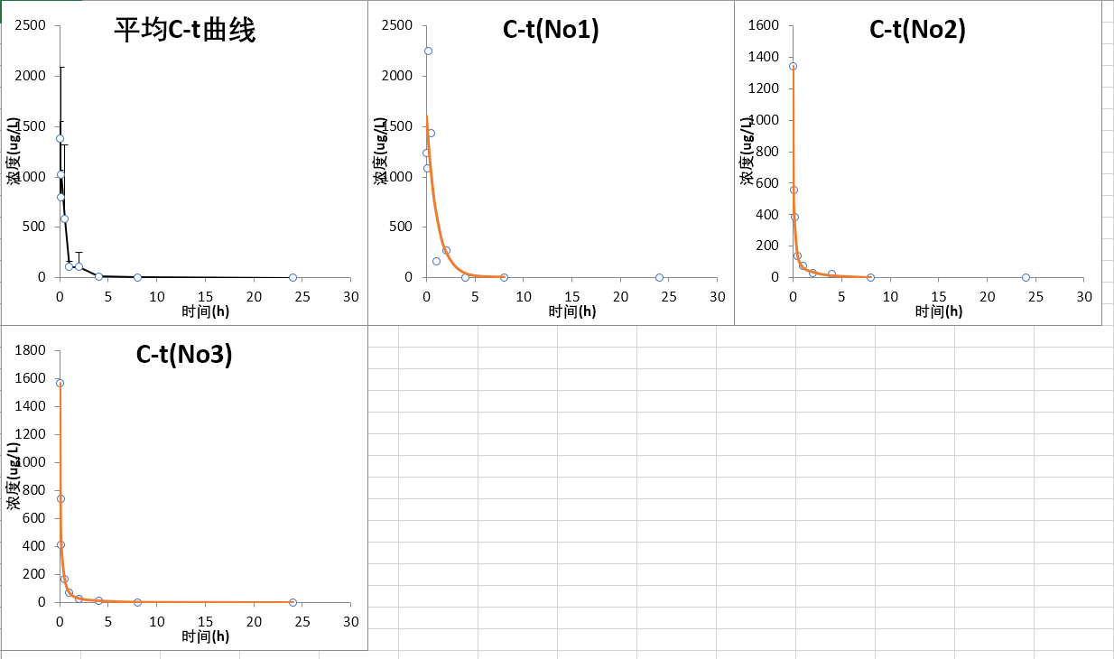
 | 大鼠静脉给药

HY-234451-plasma-curve
 | Sample Name | Analyte Peak Name | IS Peak Name | Analyte Peak Area (counts) | IS Peak Area (counts) | Peak Area Ratio | Analyte Conc. (ng/mL) | Calculated Conc. (ng/mL)
1 | std_0.01_plasma | 594.7/322.1 | 472.3/436.1 | 785.14 | 1740863.46 | 0.000451 | 0.0221 | 0.0100 | 0.00045100714846
2 | std_0.1_plasma | 594.7/322.1 | 472.3/436.1 | 2811.25 | 1771926.16 | 0.001587 | 0.0778 | 0.1000 | 0.0015865517733
3 | std_0.5_plasma | 594.7/322.1 | 472.3/436.1 | 14972.97 | 1844220.56 | 0.008119 | 0.3980 | 0.5000 | 0.0081188622469
4 | std_1_plasma | 594.7/322.1 | 472.3/436.1 | 27556.17 | 1819287.15 | 0.015147 | 0.7425 | 1.0000 | 0.015146683579
5 | std_5_plasma | 594.7/322.1 | 472.3/436.1 | 158292.06 | 1853341.63 | 0.085409 | 4.1867 | 5.0000 | 0.085409003726
6 | std_10_plasma | 594.7/322.1 | 472.3/436.1 | 287126.17 | 1842696.48 | 0.155818 | 7.6382 | 10.0000 | 0.15581848161
7 | std_25_plasma | 594.7/322.1 | 472.3/436.1 | 845780.15 | 1895187.08 | 0.446278 | 21.8764 | 25.0000 | 0.44627792174
8 | std_50_plasma | 594.7/322.1 | 472.3/436.1 | 1857743.01 | 1967678.29 | 0.944129 | 46.2809 | 50.0000 | 0.94412944443
9 | std_100_plasma | 594.7/322.1 | 472.3/436.1 | 4064649.82 | 1940583.67 | 2.094550 | 102.6740 | 100.0000 | 2.0945501511
10 | std_150_plasma | 594.7/322.1 | 472.3/436.1 | 6401375.48 | 1912695.69 | 3.346782 | 164.0579 | 150.0000 | 3.3467819908

HY-234451
NO. | Sample Name | Analyte Peak Name | IS Peak Name | Analyte Peak Area (counts) | IS Peak Area (counts) | Peak Area Ratio | Analyte Conc. | Content. (ng/mL )
1 | control | 594.7/322.1 | 472.3/436.1 | 381.90 | 1772854.08 | 0.0002 | 0.0106 | NA
2 | plasma-G8092-0 | 594.7/322.1 | 472.3/436.1 | 2682.63 | 1023906.23 | 0.0026 | 0.1284 | NA
4 | plasma-G8190-0 | 594.7/322.1 | 472.3/436.1 | 1183.46 | 778299.20 | 0.0015 | 0.0658 | NA
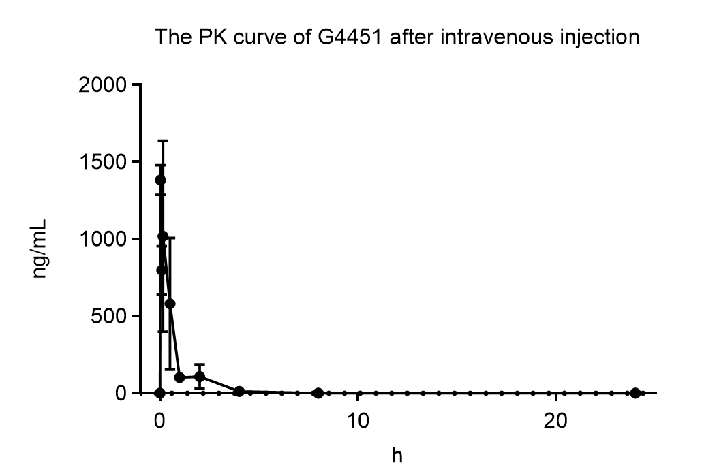
4 | plasma-G8094-0 | 594.7/322.1 | 472.3/436.1 | 2284.24 | 685945.70 | 0.0033 | 0.1632 | NA
5 | plasma-G8092-0.03 | 594.7/322.1 | 472.3/436.1 | 4722177.87 | 934340.32 | 5.0540 | 247.7462 | 1238.7312
7 | plasma-G8190-0.03 | 594.7/322.1 | 472.3/436.1 | 5989745.76 | 964269.18 | 6.2117 | 268.9045 | 1344.5227
7 | plasma-G8094-0.03 | 594.7/322.1 | 472.3/436.1 | 4327712.57 | 677043.86 | 6.3921 | 313.3368 | 1566.6841
8 | plasma-G8092-0.08 | 594.7/322.1 | 472.3/436.1 | 2479393.25 | 558465.62 | 4.4397 | 217.6300 | 1088.1501
10 | plasma-G8190-0.08 | 594.7/322.1 | 472.3/436.1 | 2264512.00 | 880123.80 | 2.5729 | 111.3830 | 556.9150
10 | plasma-G8094-0.08 | 594.7/322.1 | 472.3/436.1 | 1392015.65 | 458056.98 | 3.0390 | 148.9685 | 744.8425
11 | plasma-G8092-0.16 | 594.7/322.1 | 472.3/436.1 | 5557909.33 | 604407.54 | 9.1956 | 450.7663 | 2253.8314
13 | plasma-G8190-0.16 | 594.7/322.1 | 472.3/436.1 | 1719559.91 | 965278.68 | 1.7814 | 77.1174 | 385.5872
13 | plasma-G8094-0.16 | 594.7/322.1 | 472.3/436.1 | 1071204.71 | 631165.96 | 1.6972 | 83.1953 | 415.9764
14 | plasma-G8092-0.5 | 594.7/322.1 | 472.3/436.1 | 4621247.37 | 791442.59 | 5.8390 | 286.2264 | 1431.1318
16 | plasma-G8190-0.5 | 594.7/322.1 | 472.3/436.1 | 586720.23 | 915685.07 | 0.6407 | 27.7379 | 138.6893
16 | plasma-G8094-0.5 | 594.7/322.1 | 472.3/436.1 | 433407.40 | 620716.74 | 0.6982 | 34.2273 | 171.1365
17 | plasma-G8092-1 | 594.7/322.1 | 472.3/436.1 | 381974.87 | 564409.67 | 0.6768 | 33.1749 | 165.8747
19 | plasma-G8190-1 | 594.7/322.1 | 472.3/436.1 | 249555.46 | 733935.83 | 0.3400 | 14.7196 | 73.5982
19 | plasma-G8094-1 | 594.7/322.1 | 472.3/436.1 | 128777.76 | 429415.27 | 0.2999 | 14.7005 | 73.5027
20 | plasma-G8092-2 | 594.7/322.1 | 472.3/436.1 | 647022.08 | 588470.52 | 1.0995 | 53.8970 | 269.4848
22 | plasma-G8190-2 | 594.7/322.1 | 472.3/436.1 | 107097.32 | 792458.16 | 0.1351 | 5.8505 | 29.2523
22 | plasma-G8094-2 | 594.7/322.1 | 472.3/436.1 | 60288.95 | 589609.07 | 0.1023 | 5.0124 | 25.0619
23 | plasma-G8092-4 | 594.7/322.1 | 472.3/436.1 | 3861.33 | 674908.88 | 0.0057 | 0.2805 | 1.4023
25 | plasma-G8190-4 | 594.7/322.1 | 472.3/436.1 | 83787.96 | 815896.74 | 0.1027 | 4.4456 | 22.2282
25 | plasma-G8094-4 | 594.7/322.1 | 472.3/436.1 | 38872.67 | 573572.14 | 0.0678 | 3.3222 | 16.6110
26 | plasma-G8092-8 | 594.7/322.1 | 472.3/436.1 | 2938.97 | 448846.37 | 0.0065 | 0.3210 | 1.6049
28 | plasma-G8190-8 | 594.7/322.1 | 472.3/436.1 | 745.34 | 861009.15 | 0.0009 | 0.0375 | 0.1874
28 | plasma-G8094-8 | 594.7/322.1 | 472.3/436.1 | 932.85 | 418307.83 | 0.0022 | 0.1093 | 0.5466
29 | plasma-G8092-24 | 594.7/322.1 | 472.3/436.1 | 545.92 | 479088.82 | 0.0011 | 0.0559 | 0.2793
34 | plasma-G8190-24 | 594.7/322.1 | 472.3/436.1 | 475.49 | 776071.87 | 0.0006 | 0.0265 | 0.1326
31 | plasma-G8094-24 | 594.7/322.1 | 472.3/436.1 | 440.42 | 498042.51 | 0.0009 | 0.0433 | 0.2167

 | DAS处理结果
 | 统计矩参数
 | 参数 | 单位 | No1 | No2 | No3 | Mean | SD
 | AUC(0-t) | ug/L*h | 1759.607 | 420.471 | 448.878 | 876.319 | 765.082
 | AUC(0-∞) | ug/L*h | 1760.575 | 420.471 | 449.881 | 876.976 | 765.361
 | AUMC(0-t) | / | 1515.117 | 496.735 | 470.648 | 827.5 | 595.637
 | AUMC(0-∞) | / | 1541.2 | 500.666 | 499.316 | 847.061 | 601.143
 | MRT(0-t) | h | 0.861 | 1.181 | 1.048 | 1.03 | 0.161
 | MRT(0-∞) | h | 0.875 | 1.191 | 1.11 | 1.059 | 0.164
 | VRT(0-t) | h^2 | 1.694 | 3.469 | 4.184 | 3.116 | 1.282
 | VRT(0-∞) | h^2 | 2.08 | 3.683 | 5.912 | 3.892 | 1.925
 | t1/2z | h | 2.361 | 0.816 | 3.203 | 2.127 | 1.211
 | Tmax | h | 0.16 | 0.03 | 0.03 | 0.073 | 0.075
 | CLz | L/h/kg | 11.36 | 47.566 | 44.456 | 34.461 | 20.066
 | Vz | L/kg | 38.707 | 56.008 | 205.48 | 100.065 | 91.701
 | Zeta | / | 0.293 | 0.849 | 0.216 | 0.453 | 0.345
 | Zeta回归尾点 | / | 145 | 245 | 134 | - | -
 | Cz(尾点回归值) | / | 0.284 | 0 | 0.217 | 0.167 | 0.148
 | Cmax | ug/L | 2253.8314 | 1344.5227 | 1566.6841 | 1721.679 | 474.055

 | C-T拟合图

Fig S8 E——oral
HY-234451-plasma
0.01 | 0.00073671298354
0.1 | 0.002868171752
0.5 | 0.013031023454
1 | 0.029117386674
5 | 0.14217482522
10 | 0.29691819695
25 | 0.72436026742
50 | 1.5302570555
100 | 2.974969273
200 | 6.1048475554
 | Sample Name | Analyte Peak Name | IS Peak Name | Analyte Peak Area (counts) | IS Peak Area (counts) | Peak Area Ratio | Analyte Conc. (ng/ml) | Calculated Conc. (ng/ml)
HY-234451
1 | std_0.01_plasma | 594.7/322.1 | 472.3/436.1 | 1639 | 2224747 | 7.37E-04 | 0.02 | 0.01
1 | std_0.1_plasma | 594.7/322.1 | 472.3/436.1 | 7087 | 2470912 | 2.87E-03 | 0.09 | 0.10
2 | std_0.5_plasma | 594.7/322.1 | 472.3/436.1 | 33112 | 2541013 | 1.30E-02 | 0.43 | 0.50
3 | std_1_plasma | 594.7/322.1 | 472.3/436.1 | 76863 | 2639763 | 2.91E-02 | 0.96 | 1.00
4 | std_5_plasma | 594.7/322.1 | 472.3/436.1 | 381050 | 2680151 | 1.42E-01 | 4.68 | 5.00
5 | std_10_plasma | 594.7/322.1 | 472.3/436.1 | 791537 | 2665842 | 2.97E-01 | 9.77 | 10.00
6 | std_25_plasma | 594.7/322.1 | 472.3/436.1 | 1910393 | 2637352 | 7.24E-01 | 23.83 | 25.00
7 | std_50_plasma | 594.7/322.1 | 472.3/436.1 | 4052162 | 2648027 | 1.53E+00 | 50.34 | 50.00
8 | std_100_plasma | 594.7/322.1 | 472.3/436.1 | 7518027 | 2527094 | 2.97E+00 | 97.86 | 100.00
9 | std_200_plasma | 594.7/322.1 | 472.3/436.1 | 14676780 | 2404119 | 6.10E+00 | 200.82 | 200.00 |  | 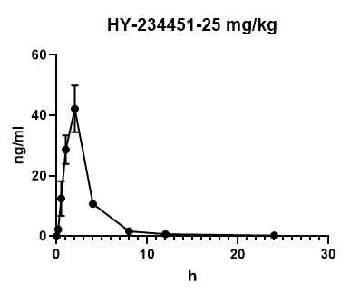
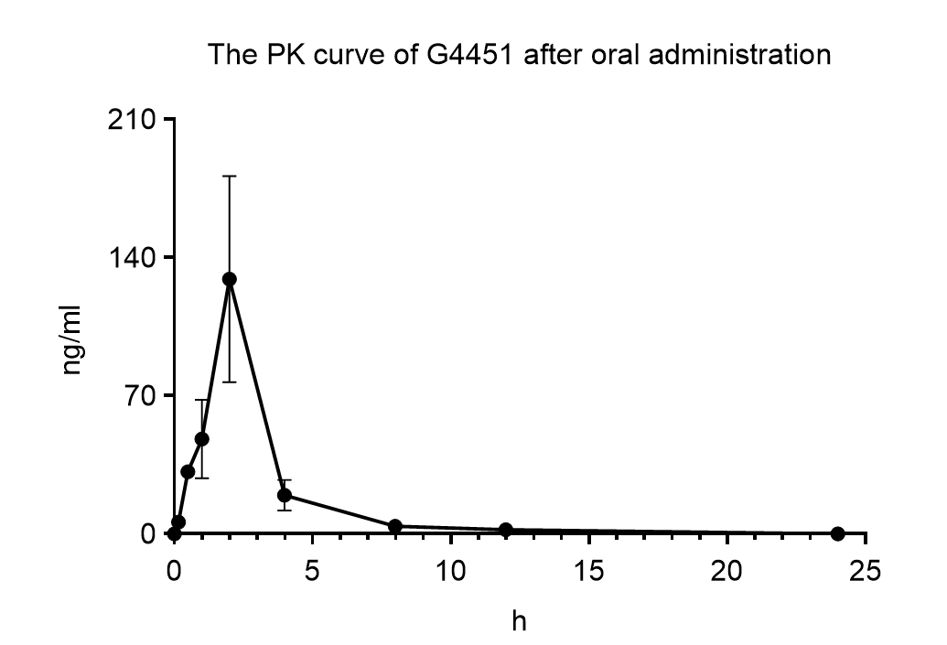
50 mg/kg-T1 |  |  |  |  |  |  | Content. (ng/ml)
28 | plasma-182-0 h | 594.7/322.1 | 472.3/436.1 | NA | 1421173 | #VALUE! | #VALUE!
29 | plasma-182-10 min | 594.7/322.1 | 472.3/436.1 | 53569 | 1284902 | 4.17E-02 | 6.86
30 | plasma-182-0.5 h | 594.7/322.1 | 472.3/436.1 | 153220 | 858225 | 1.79E-01 | 29.36
31 | plasma-182-1 h | 594.7/322.1 | 472.3/436.1 | 82153 | 912185 | 9.01E-02 | 14.81
32 | plasma-182-2 h | 594.7/322.1 | 472.3/436.1 | 114378 | 543273 | 2.11E-01 | 34.63
33 | plasma-182-4 h | 594.7/322.1 | 472.3/436.1 | 27265 | 836681 | 3.26E-02 | 5.36
34 | plasma-182-8 h | 594.7/322.1 | 472.3/436.1 | 3070 | 1187548 | 2.59E-03 | 0.43
35 | plasma-182-12 h | 594.7/322.1 | 472.3/436.1 | 2656 | 1303741 | 2.04E-03 | 0.34
36 | plasma-182-24 h | 594.7/322.1 | 472.3/436.1 | 942 | 1383369 | 6.81E-04 | 0.11
50 mg/kg-T2
37 | plasma-183-0 h | 594.7/322.1 | 472.3/436.1 | NA | 1334087 | #VALUE! | #VALUE!
38 | plasma-183-10 min | 594.7/322.1 | 472.3/436.1 | 40256 | 1207331 | 3.33E-02 | 5.48
39 | plasma-183-0.5 h | 594.7/322.1 | 472.3/436.1 | 173832 | 763727 | 2.28E-01 | 37.44
40 | plasma-183-1 h | 594.7/322.1 | 472.3/436.1 | 299604 | 587079 | 5.10E-01 | 83.94
41 | plasma-183-2 h | 594.7/322.1 | 472.3/436.1 | 767343 | 585999 | 1.31E+00 | 215.37
42 | plasma-183-4 h | 594.7/322.1 | 472.3/436.1 | 158778 | 1182053 | 1.34E-01 | 22.09
43 | plasma-183-8 h | 594.7/322.1 | 472.3/436.1 | 29369 | 1198951 | 2.45E-02 | 4.03
44 | plasma-183-12 h | 594.7/322.1 | 472.3/436.1 | 32594 | 1345520 | 2.42E-02 | 3.98
45 | plasma-183-24 h | 594.7/322.1 | 472.3/436.1 | 5026 | 1512985 | 3.32E-03 | 0.55
50 mg/kg-T3
46 | plasma-184-0 h | 594.7/322.1 | 472.3/436.1 | NA | 1330548 | #VALUE! | #VALUE!
47 | plasma-184-10 min | 594.7/322.1 | 472.3/436.1 | 42186 | 1263105 | 3.34E-02 | 5.49
48 | plasma-184-0.5 h | 594.7/322.1 | 472.3/436.1 | 140465 | 836071 | 1.68E-01 | 27.63
49 | plasma-184-1 h | 594.7/322.1 | 472.3/436.1 | 198184 | 707495 | 2.80E-01 | 46.07
50 | plasma-184-2 h | 594.7/322.1 | 472.3/436.1 | 420097 | 502453 | 8.36E-01 | 137.52
51 | plasma-184-4 h | 594.7/322.1 | 472.3/436.1 | 184797 | 948352 | 1.95E-01 | 32.05
52 | plasma-184-8 h | 594.7/322.1 | 472.3/436.1 | 54282 | 1120213 | 4.85E-02 | 7.97
53 | plasma-184-12 h | 594.7/322.1 | 472.3/436.1 | 15390 | 1285051 | 1.20E-02 | 1.97
54 | plasma-184-24 h | 594.7/322.1 | 472.3/436.1 | 1227 | 1416241 | 8.66E-04 | 0.14

 | 50 mg/kg
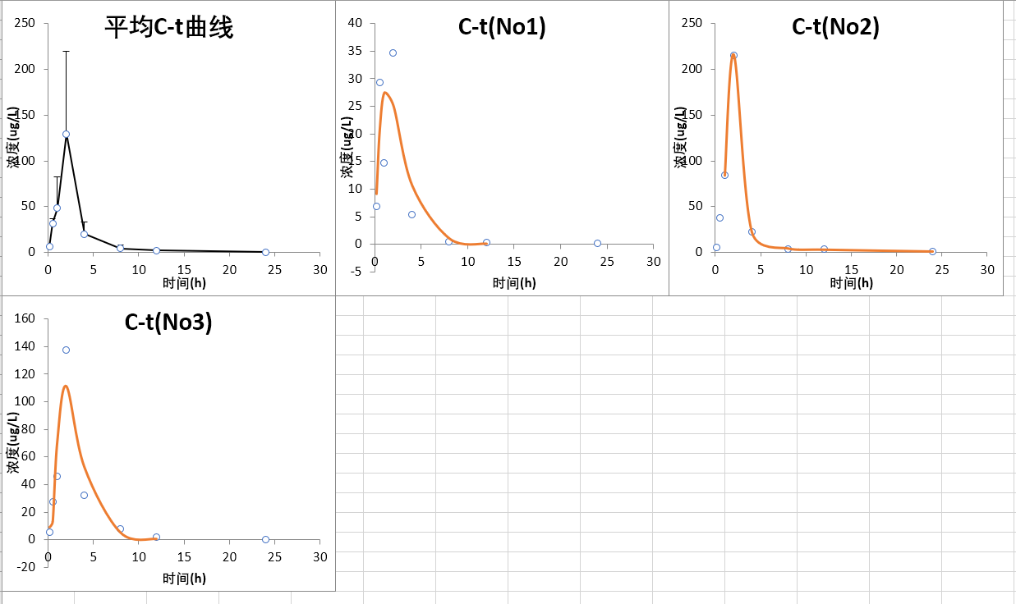
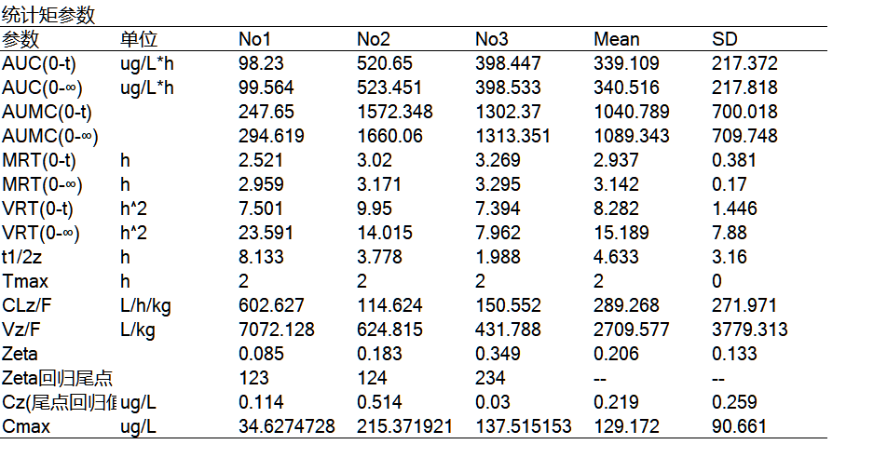

 | F生物利用度
 | 类 | AUC(0-t) | F生物利用度
 | 静脉AUC(0-t) | 876.319 |  |  |  |  |  |  |  |  | 50 mg/kg
 |  |  |  |  |  | 50 mg/kg | 98.23 | 520.65 | 398.447 |  | 98.23
 | 50 mg/kg | 339.109 | 0.7739% |  |  |  |  |  |  |  | 520.65
 |  |  |  |  |  |  |  |  |  |  | 398.447

Fig S8F
 | HY-234451-plasma-curve
 |  | Sample Name | Analyte Peak Name | IS Peak Name | Analyte Peak Area (counts) | IS Peak Area (counts) | Peak Area Ratio | Analyte Conc. (µM) | Calculated Conc. (µM)
 | 1 | std_0.01_plasma | 594.7/322.1 | 472.3/436.1 | 1270.63 | 1207134.66 | 0.001053 | 0.029320 | 0.01 | 0.001052604164
 | 2 | std_0.1_plasma | 594.7/322.1 | 472.3/436.1 | 6175.22 | 1064403.74 | 0.005802 | 0.161604 | 0.1 | 0.0058015720525
 | 3 | std_0.5_plasma | 594.7/322.1 | 472.3/436.1 | 6282.48 | 1065984.46 | 0.005894 | 0.164167 | 0.5 | 0.0058935897279
 | 4 | std_1_plasma | 594.7/322.1 | 472.3/436.1 | 13238.37 | 1103737.91 | 0.011994 | 0.334098 | 1 | 0.011994128011
 | 6 | std_10_plasma | 594.7/322.1 | 472.3/436.1 | 334033.48 | 1173728.59 | 0.284592 | 7.927347 | 10 | 0.28459175167
 | 7 | std_25_plasma | 594.7/322.1 | 472.3/436.1 | 989254.95 | 1341984.83 | 0.737158 | 20.533651 | 25 | 0.73715807503
 | 8 | std_50_plasma | 594.7/322.1 | 472.3/436.1 | 2787061.37 | 1616447.95 | 1.724189 | 48.027542 | 50 | 1.7241887464
 | 9 | std_100_plasma | 594.7/322.1 | 472.3/436.1 | 6419200.08 | 1746327.32 | 3.675829 | 102.390772 | 100 | 3.6758286969

HY-234451-tissue-2h
tissue | NO. | Sample Name | Analyte Peak Name | IS Peak Name | Analyte Peak Area (counts) | IS Peak Area (counts) | Peak Area Ratio | Analyte Conc. | Content. (ng/mL OR ng/mg ) | avg.
 | 1 | control | 594.7/322.1 | 472.3/436.1 | 1796.74 | 1279986.01 | 0.001404 | 0.039101 | NA
plasma | 2 | plasma-G5382-2 | 594.7/322.1 | 472.3/436.1 | 1390781.70 | 141879.19 | 9.802577 | 273.052283 | 1365.261413 | 1206.528412
 | 3 | plasma-G5383-2 | 594.7/322.1 | 472.3/436.1 | 1131030.04 | 158718.03 | 7.126034 | 198.496760 | 992.483798
 | 4 | plasma-G5384-2 | 594.7/322.1 | 472.3/436.1 | 838927.02 | 154464.92 | 5.431181 | 151.286388 | 756.431940
 | 5 | plasma-G5385-2 | 594.7/322.1 | 472.3/436.1 | 1393109.39 | 141390.59 | 9.852914 | 274.454441 | 1372.272207
 | 6 | plasma-G5386-2 | 594.7/322.1 | 472.3/436.1 | 1552073.28 | 139805.47 | 11.101664 | 309.238540 | 1546.192701
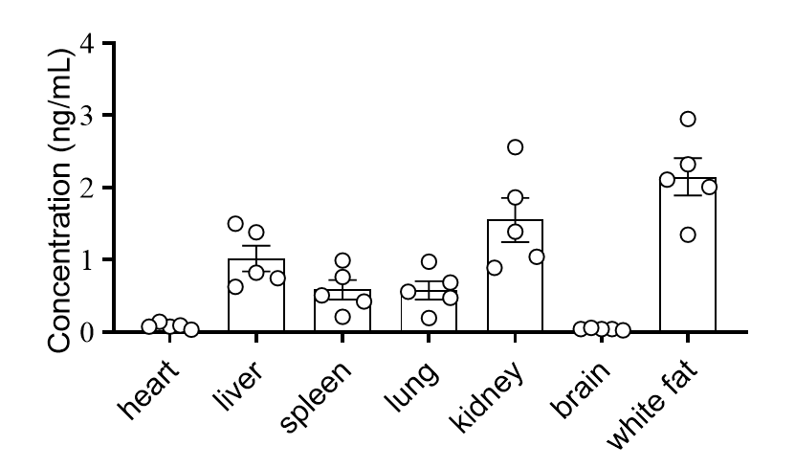
heart | 7 | heart-G5382-2 | 594.7/322.1 | 472.3/436.1 | 231998.68 | 807796.07 | 0.287200 | 7.999988 | 0.080000 | 0.089936
 | 8 | heart-G5383-2 | 594.7/322.1 | 472.3/436.1 | 333458.84 | 919859.22 | 0.362511 | 10.097792 | 0.100978
 | 9 | heart-G5384-2 | 594.7/322.1 | 472.3/436.1 | 116658.65 | 854240.40 | 0.136564 | 3.804017 | 0.038040
 | 10 | heart-G5385-2 | 594.7/322.1 | 472.3/436.1 | 405389.13 | 769770.18 | 0.526637 | 14.669542 | 0.146695
 | 11 | heart-G5386-2 | 594.7/322.1 | 472.3/436.1 | 238767.58 | 792066.72 | 0.301449 | 8.396903 | 0.083969
liver | 12 | liver-G5382-2 | 594.7/322.1 | 472.3/436.1 | 1000491.81 | 339020.46 | 2.951125 | 82.204044 | 0.822040 | 1.020434
 | 13 | liver-G5383-2 | 594.7/322.1 | 472.3/436.1 | 952473.58 | 353023.81 | 2.698043 | 75.154413 | 0.751544
 | 14 | liver-G5384-2 | 594.7/322.1 | 472.3/436.1 | 716098.03 | 314003.57 | 2.280541 | 63.524820 | 0.635248
 | 15 | liver-G5385-2 | 594.7/322.1 | 472.3/436.1 | 1397108.64 | 280720.50 | 4.976867 | 138.631396 | 1.386314
 | 16 | liver-G5386-2 | 594.7/322.1 | 472.3/436.1 | 1379027.56 | 254893.24 | 5.410216 | 150.702401 | 1.507024
spleen | 17 | spleen-G5382-2 | 594.7/322.1 | 472.3/436.1 | 593440.53 | 384804.55 | 1.542187 | 42.957852 | 0.429579 | 0.585397
 | 18 | spleen-G5383-2 | 594.7/322.1 | 472.3/436.1 | 322603.44 | 411974.14 | 0.783067 | 21.812457 | 0.218125
 | 19 | spleen-G5384-2 | 594.7/322.1 | 472.3/436.1 | 974567.20 | 352801.19 | 2.762369 | 76.946222 | 0.769462
 | 20 | spleen-G5385-2 | 594.7/322.1 | 472.3/436.1 | 1197599.52 | 334868.91 | 3.576323 | 99.619036 | 0.996190
 | 21 | spleen-G5386-2 | 594.7/322.1 | 472.3/436.1 | 660453.78 | 358176.89 | 1.843932 | 51.363004 | 0.513630
lung | 22 | lung-G5382-2 | 594.7/322.1 | 472.3/436.1 | 659891.49 | 324581.16 | 2.033055 | 56.631069 | 0.566311 | 0.581803
 | 23 | lung-G5383-2 | 594.7/322.1 | 472.3/436.1 | 287824.03 | 409722.76 | 0.702485 | 19.567823 | 0.195678
 | 24 | lung-G5384-2 | 594.7/322.1 | 472.3/436.1 | 1144586.68 | 325452.14 | 3.516912 | 97.964134 | 0.979641
 | 25 | lung-G5385-2 | 594.7/322.1 | 472.3/436.1 | 683747.55 | 400820.76 | 1.705869 | 47.517231 | 0.475172
 | 26 | lung-G5386-2 | 594.7/322.1 | 472.3/436.1 | 814488.71 | 327755.42 | 2.485050 | 69.221457 | 0.692215
kidney | 27 | kidney-G5382-2 | 594.7/322.1 | 472.3/436.1 | 1819337.55 | 363310.76 | 5.007662 | 139.489198 | 1.394892 | 1.555137
 | 28 | kidney-G5383-2 | 594.7/322.1 | 472.3/436.1 | 1265834.90 | 394263.79 | 3.210629 | 89.432574 | 0.894326
 | 29 | kidney-G5384-2 | 594.7/322.1 | 472.3/436.1 | 1540011.34 | 408855.40 | 3.766641 | 104.920350 | 1.049203
 | 30 | kidney-G5385-2 | 594.7/322.1 | 472.3/436.1 | 2860699.55 | 310639.42 | 9.209068 | 256.520001 | 2.565200
 | 31 | kidney-G5386-2 | 594.7/322.1 | 472.3/436.1 | 2027541.43 | 301685.87 | 6.720704 | 187.206241 | 1.872062
brain | 42 | brain-G5382-2 | 594.7/322.1 | 472.3/436.1 | 98171.35 | 568993.10 | 0.172535 | 4.805995 | 0.048060 | 0.046915
 | 43 | brain-G5383-2 | 594.7/322.1 | 472.3/436.1 | 114839.82 | 662601.95 | 0.173316 | 4.827756 | 0.048278
 | 44 | brain-G5384-2 | 594.7/322.1 | 472.3/436.1 | 105695.56 | 641729.33 | 0.164704 | 4.587863 | 0.045879
 | 45 | brain-G5385-2 | 594.7/322.1 | 472.3/436.1 | 152558.99 | 643654.80 | 0.237020 | 6.602225 | 0.066022
 | 46 | brain-G5386-2 | 594.7/322.1 | 472.3/436.1 | 61292.44 | 648297.17 | 0.094544 | 2.633530 | 0.026335
white fat | 47 | whitefat-G5382-2 | 594.7/322.1 | 472.3/436.1 | 5278990.96 | 498190.15 | 10.596337 | 295.162604 | 2.951626 | 2.149898
 | 48 | whitefat-G5383-2 | 594.7/322.1 | 472.3/436.1 | 4551451.95 | 630966.50 | 7.213461 | 200.932048 | 2.009320
 | 49 | whitefat-G5384-2 | 594.7/322.1 | 472.3/436.1 | 3753864.23 | 494689.64 | 7.588322 | 211.373870 | 2.113739
 | 50 | whitefat-G5385-2 | 594.7/322.1 | 472.3/436.1 | 2451043.19 | 506307.72 | 4.841015 | 134.847209 | 1.348472
 | 51 | whitefat-G5386-2 | 594.7/322.1 | 472.3/436.1 | 3789580.60 | 453758.26 | 8.351541 | 232.633447 | 2.326334

