Suppl 3 (a) Targeted Oxylipins
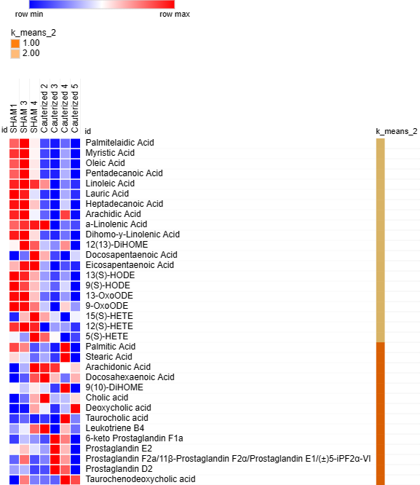
Supplemental Table 3 (a): Targeted Metabolic Profiling of Sham and Cauterized Rat CSF (Young animals)
 |  |  |  |  | F3-060L-1_r4- | F3-060L-3_r8- | F3-060L-4_r7- | F3-060L-7_r2- | F3-060L-8_r9- | F3-060L-9_r5- | F3-060L-10_r10- | Median |  | Fold change Cauterized vs. SHAM | P Value Cauterized vs. SHAM
N. | Compound | formula | expectedRtDiff | medRt | Sham | Sham | Sham | Cauterized | Cauterized | Cauterized | Cauterized | Sham | Cauterized
1 | 12(13)-DiHOME | C18H34O4 | 5MM+QE3 | 3.922 | 9.35E+04 | 1.03E+05 | 9.95E+04 | 9.08E+04 | 8.86E+04 | 9.75E+04 | 8.32E+04 | 9.95E+04 | 8.97E+04 | 0.90 | 9.61E-02
2 | 12(S)-HETE | C20H32O3 | 5MM+QE3 | 4.47 | 1.67E+04 | 1.77E+04 | 1.70E+04 | 7.88E+03 | 1.09E+04 | 1.09E+04 | 8.85E+03 | 1.70E+04 | 9.86E+03 | 0.58 | 4.70E-04
3 | 13(S)-HODE | C18H32O3 | 5MM+QE3 | 4.311 | 9.88E+04 | 9.51E+04 | 8.02E+04 | 6.03E+04 | 5.08E+04 | 6.01E+04 | 4.36E+04 | 9.51E+04 | 5.54E+04 | 0.58 | 2.51E-03
4 | 13-OxoODE | C18H30O3 | 5MM+QE3 | 4.325 | 5.95E+04 | 6.01E+04 | 4.89E+04 | 3.66E+04 | 3.29E+04 | 3.93E+04 | 3.05E+04 | 5.95E+04 | 3.47E+04 | 0.58 | 2.50E-03
5 | 15(S)-HETE | C20H32O3 | 5MM+QE3 | 4.346 | 1.00E+04 | 1.14E+04 | 1.23E+04 | 1.15E+04 | 1.09E+04 | 9.82E+03 | 1.10E+04 | 1.14E+04 | 1.09E+04 | 0.95 | 5.29E-01
6 | 5(S)-HETE | C20H32O3 | 5MM+QE3 | 4.664 | 7.72E+03 | 7.00E+03 | 9.74E+03 | 8.99E+03 | 7.83E+03 | 5.85E+03 | 6.37E+03 | 7.72E+03 | 7.10E+03 | 0.92 | 4.50E-01
7 | 6-keto Prostaglandin F1a | C20H34O6 | 5MM+QE3 | 2.52 | 1.33E+04 | 2.44E+04 | 2.06E+04 | 1.46E+04 | 5.08E+04 | 4.03E+04 | 8.34E+03 | 2.06E+04 | 2.75E+04 | 1.33 | 4.95E-01
8 | 9(10)-DiHOME | C18H34O4 | 5MM+QE3 | 3.961 | 7.90E+04 | 7.58E+04 | 7.98E+04 | 7.69E+04 | 6.84E+04 | 9.21E+04 | 6.53E+04 | 7.90E+04 | 7.27E+04 | 0.92 | 7.40E-01
9 | 9(S)-HODE | C18H32O3 | 5MM+QE3 | 4.352 | 8.38E+04 | 7.70E+04 | 6.51E+04 | 5.23E+04 | 4.32E+04 | 5.48E+04 | 3.37E+04 | 7.70E+04 | 4.78E+04 | 0.62 | 1.02E-02
10 | 9-OxoODE | C18H30O3 | 5MM+QE3 | 4.374 | 4.31E+04 | 4.27E+04 | 3.83E+04 | 3.06E+04 | 2.26E+04 | 3.47E+04 | 2.87E+04 | 4.27E+04 | 2.96E+04 | 0.69 | 1.28E-02
11 | a-Linolenic Acid | C18H30O2 | 5MM+QE3 | 5.313 | 2.59E+05 | 2.76E+05 | 2.84E+05 | 2.92E+05 | 1.24E+05 | 1.63E+05 | 1.48E+05 | 2.76E+05 | 1.55E+05 | 0.56 | 9.73E-02
12 | Arachidic Acid | C20H40O2 | 5MM+QE3 | 5.935 | 6.34E+05 | 6.58E+05 | 4.71E+05 | 3.69E+05 | 3.01E+05 | 6.13E+05 | 3.07E+05 | 6.34E+05 | 3.38E+05 | 0.53 | 1.15E-01
13 | Arachidonic Acid | C20H32O2 | 5MM+QE3 | 5.591 | 5.76E+05 | 1.51E+06 | 3.28E+06 | 3.13E+06 | 3.00E+06 | 1.93E+06 | 2.16E+06 | 1.51E+06 | 2.58E+06 | 1.70 | 3.55E-01
14 | Cholic acid | C24H40O5 | 5MM+QE3 | 3.688 | 8.50E+03 | 2.58E+04 | 6.10E+04 | 8.79E+04 | 3.70E+04 | 3.81E+04 | 5.43E+04 | 2.58E+04 | 4.62E+04 | 1.79 | 2.91E-01
15 | Deoxycholic acid | C24H40O4 | 5MM+QE3 | 4.115 | 1.47E+04 | 1.53E+04 | 2.78E+04 | 2.38E+04 | 1.64E+04 | 2.19E+04 | 3.41E+04 | 1.53E+04 | 2.29E+04 | 1.49 | 4.40E-01
16 | Dihomo-y-Linolenic Acid | C20H34O2 | 5MM+QE3 | 5.769 | 7.35E+05 | 7.67E+05 | 4.81E+05 | 2.06E+05 | 1.51E+05 | 2.52E+05 | 1.05E+05 | 7.35E+05 | 1.79E+05 | 0.24 | 2.34E-03
17 | Docosahexaenoic Acid | C22H32O2 | 5MM+QE3 | 5.489 | 2.15E+05 | 3.21E+05 | 7.29E+05 | 8.27E+05 | 6.02E+05 | 3.52E+05 | 6.13E+05 | 3.21E+05 | 6.07E+05 | 1.89 | 3.57E-01
18 | Docosapentaenoic Acid | C22H34O2 | 5MM+QE3 | 5.649 | 4.69E+04 | 5.91E+04 | 1.05E+05 | 8.49E+04 | 5.42E+04 | 4.64E+04 | 7.09E+04 | 5.91E+04 | 6.26E+04 | 1.06 | 7.43E-01
19 | Eicosapentaenoic Acid | C20H30O2 | 5MM+QE3 | 5.257 | 1.06E+05 | 1.30E+05 | 1.32E+05 | 8.23E+04 | 5.84E+04 | 6.96E+04 | 6.38E+04 | 1.30E+05 | 6.67E+04 | 0.51 | 1.96E-03
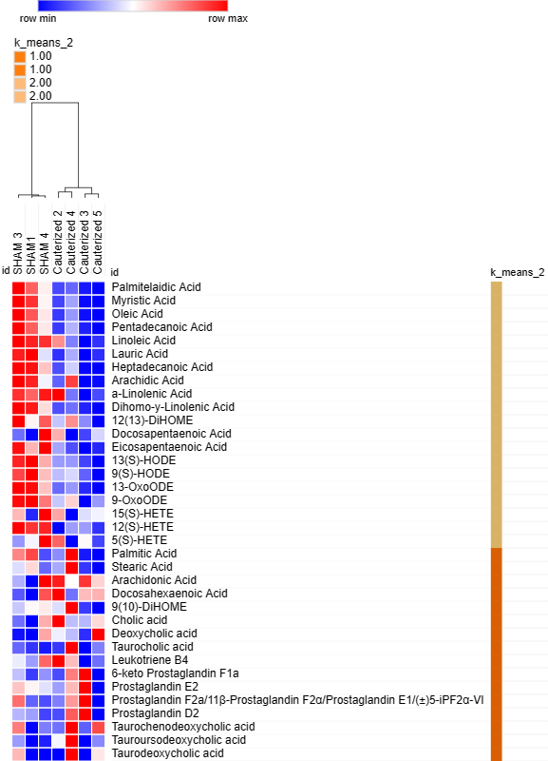
20 | Glycochenodeoxycholic acid | C26H43NO5 | 5MM+QE3 | 3.679 | 5.00E+02 | 5.00E+02 | 5.00E+02 | 5.00E+02 | 5.00E+02 | 5.00E+02 | 5.00E+02 | 5.00E+02 | 5.00E+02 | 1.00 | #DIV/0!
21 | Heptadecanoic Acid | C17H34O2 | 5MM+QE3 | 5.827 | 1.77E+06 | 1.81E+06 | 1.32E+06 | 7.31E+05 | 5.52E+05 | 1.05E+06 | 5.37E+05 | 1.77E+06 | 6.42E+05 | 0.36 | 5.15E-03
22 | Lauric Acid | C12H24O2 | 5MM+QE3 | 4.835 | 3.05E+06 | 2.97E+06 | 2.22E+06 | 1.71E+06 | 1.57E+06 | 2.07E+06 | 1.70E+06 | 2.97E+06 | 1.71E+06 | 0.57 | 1.16E-02
23 | Leukotriene B4 | C20H32O4 | 5MM+QE3 | 3.881 | 9.84E+03 | 1.03E+04 | 1.13E+04 | 1.19E+04 | 8.92E+03 | 1.08E+04 | 9.56E+03 | 1.03E+04 | 1.02E+04 | 0.98 | 8.19E-01
24 | Linoleic Acid | C18H32O2 | 5MM+QE3 | 5.65 | 4.08E+06 | 4.25E+06 | 4.00E+06 | 3.52E+06 | 1.62E+06 | 2.28E+06 | 1.87E+06 | 4.08E+06 | 2.08E+06 | 0.51 | 1.62E-02
25 | Myristic Acid | C14H28O2 | 5MM+QE3 | 5.43 | 1.67E+07 | 1.80E+07 | 1.18E+07 | 6.77E+06 | 5.27E+06 | 9.16E+06 | 5.03E+06 | 1.67E+07 | 6.02E+06 | 0.36 | 5.72E-03
26 | Oleic Acid | C18H34O2 | 5MM+QE3 | 5.801 | 1.25E+07 | 1.45E+07 | 9.20E+06 | 4.06E+06 | 3.10E+06 | 6.28E+06 | 2.78E+06 | 1.25E+07 | 3.58E+06 | 0.29 | 4.02E-03
27 | Palmitelaidic Acid | C16H30O2 | 5MM+QE3 | 5.587 | 4.59E+07 | 5.51E+07 | 3.25E+07 | 1.37E+07 | 9.15E+06 | 1.66E+07 | 6.89E+06 | 4.59E+07 | 1.14E+07 | 0.25 | 2.87E-03
28 | Palmitic Acid | C16H32O2 | 5MM+QE3 | 5.783 | 1.70E+07 | 1.62E+07 | 1.24E+07 | 1.32E+07 | 1.17E+07 | 1.79E+07 | 1.14E+07 | 1.62E+07 | 1.25E+07 | 0.77 | 4.78E-01
29 | Pentadecanoic Acid | C15H30O2 | 5MM+QE3 | 5.682 | 6.93E+06 | 8.05E+06 | 5.30E+06 | 2.68E+06 | 2.38E+06 | 4.11E+06 | 2.00E+06 | 6.93E+06 | 2.53E+06 | 0.37 | 5.82E-03
30 | Prostaglandin D2 | C20H32O5 | 5MM+QE3 | 3.057 | 1.02E+04 | 1.09E+04 | 7.35E+03 | 7.66E+03 | 2.09E+04 | 1.81E+04 | 5.35E+03 | 1.02E+04 | 1.29E+04 | 1.27 | 4.78E-01
31 | Prostaglandin E2 | C20H32O5 | 5MM+QE3 | 3.003 | 2.55E+04 | 2.87E+04 | 2.28E+04 | 1.84E+04 | 4.17E+04 | 2.94E+04 | 7.88E+03 | 2.55E+04 | 2.39E+04 | 0.94 | 8.87E-01
32 | Prostaglandin F2a/11β-Prostaglandin F2α/Prostaglandin E1/(±)5-iPF2α-VI | C20H34O5 | 5MM+QE3 | 3.045 | 1.21E+04 | 2.77E+04 | 1.10E+04 | 1.36E+04 | 3.34E+04 | 2.55E+04 | 7.04E+03 | 1.21E+04 | 1.95E+04 | 1.61 | 7.38E-01
33 | Stearic Acid | C18H36O2 | 5MM+QE3 | 5.876 | 1.09E+07 | 9.93E+06 | 8.41E+06 | 9.25E+06 | 7.76E+06 | 1.37E+07 | 7.05E+06 | 9.93E+06 | 8.50E+06 | 0.86 | 8.75E-01
34 | Taurochenodeoxycholic acid | C26H45NO6S | 5MM+QE3 | 2.714 | 0.00E+00 | 4.03E+03 | 1.31E+03 | 1.18E+03 | 9.93E+02 | 5.33E+03 | 4.56E+03 | 1.31E+03 | 2.87E+03 | 2.19 | 4.92E-01
35 | Taurocholic acid | C26H45NO7S | 5MM+QE3 | 2.361 | 1.21E+04 | 1.81E+04 | 8.80E+03 | 1.26E+04 | 5.87E+03 | 6.68E+04 | 2.11E+04 | 1.21E+04 | 1.69E+04 | 1.40 | 4.46E-01
36 | Taurodeoxycholic acid | C26H45NO6S | 5MM+QE3 | 2.855 | 5.00E+02 | 2.42E+03 | 5.00E+02 | 5.00E+02 | 5.00E+02 | 3.50E+03 | 2.14E+03 | 5.00E+02 | 1.32E+03 | 2.64 | 6.28E-01
37 | Tauroursodeoxycholic acid | C26H45NO6S | 5MM+QE3 | 2.303 | 5.00E+02 | 4.33E+03 | 1.30E+03 | 6.63E+03 | 5.00E+02 | 1.32E+04 | 3.89E+03 | 1.30E+03 | 5.26E+03 | 4.05 | 2.82E-01

Suppl 3 (b) Metabo. Oxylipins
Supplemental Table 3 (b): Targeted metabolomic Analysis of Sham and Cauterized Rat CSF Using MetaboAnalyst 5.0 (Normalized Dataset - METABOANALYST file)
Targeted analysis Sham vs. Cauterized | Label | Palmitic Acid | Stearic Acid | Palmitelaidic Acid | Myristic Acid | Oleic Acid | Arachidonic Acid | Pentadecanoic Acid | Linoleic Acid | Lauric Acid | Docosahexaenoic Acid | Heptadecanoic Acid | Arachidic Acid | a-Linolenic Acid | Dihomo-y-Linolenic Acid | 12(13)-DiHOME | Docosapentaenoic Acid | 9(10)-DiHOME | Eicosapentaenoic Acid | Cholic acid | 13(S)-HODE | Deoxycholic acid | 9(S)-HODE | 13-OxoODE | 9-OxoODE | Taurocholic acid | 15(S)-HETE | Leukotriene B4 | 12(S)-HETE | 6-keto Prostaglandin F1a | Prostaglandin E2 | Prostaglandin F2a 11beta-Prostaglandin F2alpha Prostaglandin E1 5-iPF2alpha-VI | 5(S)-HETE | Prostaglandin D2 | Taurochenodeoxycholic acid | Tauroursodeoxycholic acid | Taurodeoxycholic acid
Cauterized | Cauterized | 3.88E-01 | 5.01E-01 | -5.06E-01 | -1.04E+00 | -9.05E-01 | 7.79E-01 | -1.44E+00 | 1.90E+00 | -4.74E-02 | 1.01E+00 | -9.96E-01 | -3.13E-02 | 1.92E+00 | -5.51E-01 | 3.82E-01 | 8.77E-01 | 5.09E-01 | 6.85E-01 | 1.45E+00 | 7.42E-01 | 2.44E-01 | 1.00E+00 | 3.28E-01 | 4.21E-01 | -2.80E-01 | 4.62E-01 | 8.58E-01 | -8.95E-01 | -3.64E-01 | -1.74E-01 | -1.93E-01 | 8.68E-01 | -3.12E-01 | -4.85E-01 | 7.42E-01 | -6.21E-01
Cauterized | Cauterized | 8.61E-01 | 7.47E-01 | -8.37E-01 | -1.11E+00 | -9.94E-01 | 1.30E+00 | -4.51E-01 | -5.13E-01 | 7.53E-01 | 8.31E-01 | -1.38E+00 | 1.85E-01 | -2.89E-01 | -7.03E-01 | 1.15E+00 | 3.52E-01 | 9.59E-01 | 1.89E-01 | 1.48E-01 | 1.30E+00 | 3.69E-02 | 1.41E+00 | 1.20E+00 | 1.69E-01 | -5.68E-01 | 1.04E+00 | 7.10E-01 | 1.57E+00 | 2.09E+00 | 2.18E+00 | 2.11E+00 | 1.23E+00 | 2.06E+00 | -4.46E-01 | -8.06E-01 | -5.04E-01
Cauterized | Cauterized | 6.55E-01 | 1.10E+00 | -5.97E-01 | -2.97E-01 | -1.20E-01 | -4.27E-01 | 1.52E-01 | -9.47E-01 | -2.40E-01 | -6.64E-01 | 4.54E-01 | 1.63E+00 | -7.71E-01 | -6.24E-01 | -8.44E-02 | -7.31E-01 | 3.38E-01 | -1.05E+00 | -3.98E-01 | -8.14E-01 | -2.21E-01 | -2.99E-01 | -5.59E-01 | -2.60E-02 | 1.99E+00 | -4.31E-01 | -1.03E-01 | -5.87E-01 | 4.81E-01 | 1.56E-01 | 3.30E-01 | -7.02E-01 | 5.22E-01 | 8.65E-01 | 1.73E+00 | 1.31E+00
Cauterized | Cauterized | 1.19E+00 | 7.79E-01 | -1.15E+00 | -4.95E-01 | -1.01E+00 | 7.26E-01 | -1.02E+00 | 4.52E-01 | 1.86E+00 | 1.14E+00 | -5.68E-01 | 9.10E-01 | 5.61E-01 | -1.21E+00 | 1.31E+00 | 1.40E+00 | 1.18E+00 | 1.20E+00 | 1.10E+00 | 9.21E-01 | 2.01E+00 | 3.34E-01 | 1.40E+00 | 1.86E+00 | 6.95E-01 | 1.44E+00 | 1.33E+00 | 1.01E+00 | -5.00E-01 | -6.63E-01 | -4.80E-01 | 8.80E-01 | -3.23E-01 | 1.86E+00 | 4.53E-01 | 1.53E+00
SHAM | SHAM | -8.88E-01 | -9.28E-01 | 1.02E+00 | 1.42E+00 | 9.92E-01 | -1.36E+00 | 7.62E-01 | -5.48E-01 | -5.39E-01 | -1.19E+00 | 1.26E+00 | -7.61E-01 | -7.58E-01 | 1.31E+00 | -1.13E+00 | -1.17E+00 | -1.10E+00 | -1.17E+00 | -1.23E+00 | -5.75E-01 | -9.40E-01 | -5.00E-01 | -7.68E-01 | -8.68E-01 | -6.48E-01 | -1.09E+00 | -1.14E+00 | -6.93E-01 | -7.51E-01 | -5.53E-01 | -7.89E-01 | -9.76E-01 | -6.30E-01 | -9.65E-01 | -9.06E-01 | -8.33E-01
SHAM | SHAM | -1.21E+00 | -1.30E+00 | 1.33E+00 | 1.07E+00 | 1.24E+00 | -1.06E+00 | 1.23E+00 | -7.52E-01 | -1.04E+00 | -1.07E+00 | 2.75E-01 | -1.05E+00 | -8.40E-01 | 1.07E+00 | -1.14E+00 | -1.06E+00 | -1.33E+00 | -8.12E-01 | -9.91E-01 | -1.37E+00 | -9.72E-01 | -1.55E+00 | -1.20E+00 | -1.20E+00 | -5.28E-01 | -1.06E+00 | -1.22E+00 | -8.41E-01 | -5.38E-01 | -5.39E-01 | -2.77E-01 | -1.23E+00 | -6.53E-01 | -1.99E-01 | -4.64E-01 | -1.15E-01
SHAM | SHAM | -9.95E-01 | -9.09E-01 | 7.41E-01 | 4.50E-01 | 7.92E-01 | 4.23E-02 | 7.67E-01 | 4.11E-01 | -7.38E-01 | -5.48E-02 | 9.51E-01 | -8.88E-01 | 1.75E-01 | 7.05E-01 | -4.95E-01 | 3.43E-01 | -5.53E-01 | 9.60E-01 | -8.25E-02 | -1.99E-01 | -1.57E-01 | -4.00E-01 | -4.04E-01 | -3.64E-01 | -6.65E-01 | -3.60E-01 | -4.30E-01 | 4.42E-01 | -4.17E-01 | -4.06E-01 | -6.98E-01 | -6.88E-02 | -6.67E-01 | -6.27E-01 | -7.50E-01 | -7.68E-01
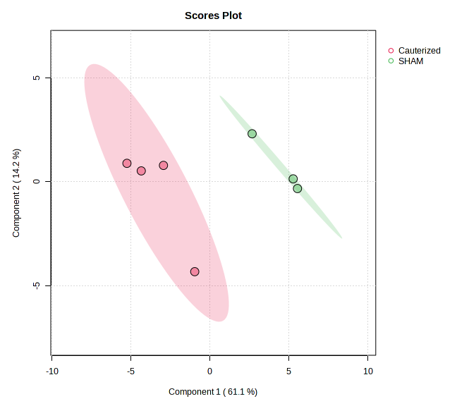
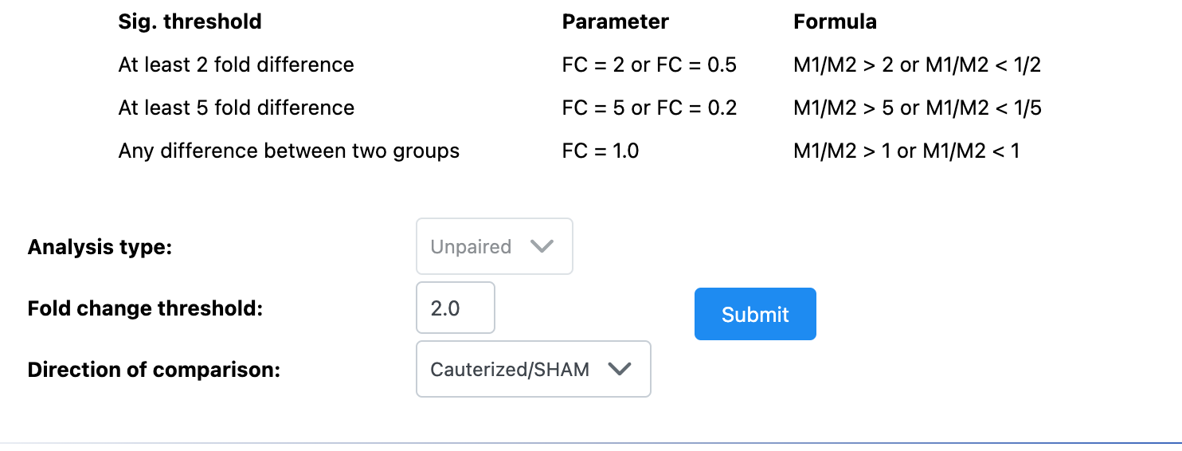
Fold Change Analysis
Metabolites | Fold Change | log2(FC)
Tauroursodeoxycholic acid | 5.689 | 2.5082
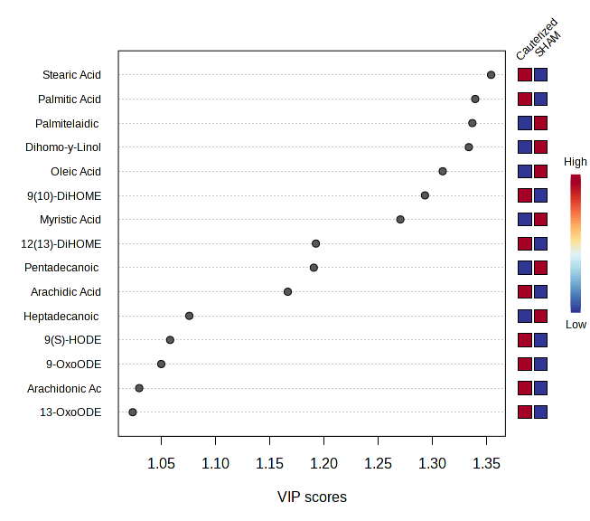
Taurocholic acid | 3.8523 | 1.9457
Taurochenodeoxycholic acid | 3.5386 | 1.8232
Cholic acid | 3.2467 | 1.699
Taurodeoxycholic acid | 3.1105 | 1.6371
6-keto Prostaglandin F1a | 2.9584 | 1.5648
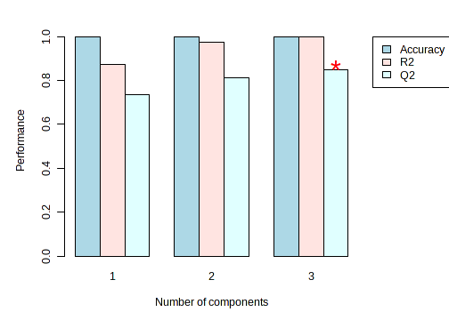
Prostaglandin D2 | 2.8372 | 1.5045
Docosahexaenoic Acid | 2.8126 | 1.4919
Arachidonic Acid | 2.7723 | 1.4711
Deoxycholic acid | 2.5448 | 1.3476
Prostaglandin F2a 11beta-Prostaglandin F2alpha Prostaglandin E1 5-iPF2alpha-VI | 2.5097 | 1.3275

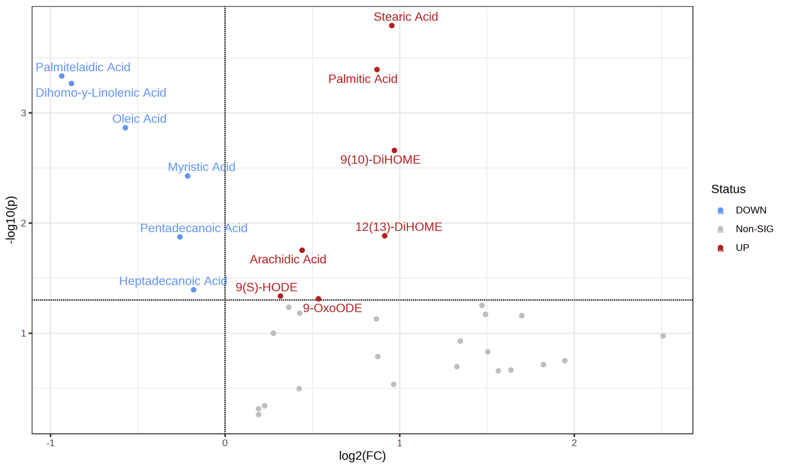
Volcan plot combing Fold change (FC) analysis with T-test

Metabolites | FC | log2(FC) | raw.pval | negativelog10 (pvalue)
Stearic Acid | 1.938 | 0.9546 | 0.00016129 | 3.7924
Palmitic Acid | 1.8276 | 0.86997 | 0.0004047 | 3.3929
Palmitelaidic Acid | 0.5228 | -0.93567 | 0.00046288 | 3.3345
Dihomo-y-Linolenic Acid | 0.54335 | -0.88006 | 0.00054159 | 3.2663
Oleic Acid | 0.67302 | -0.57128 | 0.0013646 | 2.865
9(10)-DiHOME | 1.9581 | 0.96943 | 0.0021914 | 2.6593
Myristic Acid | 0.86179 | -0.21459 | 0.0037355 | 2.4276
12(13)-DiHOME | 1.8847 | 0.9143 | 0.013039 | 1.8847
Pentadecanoic Acid | 0.83575 | -0.25886 | 0.013357 | 1.8743
Arachidic Acid | 1.3575 | 0.4409 | 0.017646 | 1.7533
Heptadecanoic Acid | 0.88274 | -0.17994 | 0.040302 | 1.3947
9(S)-HODE | 1.2456 | 0.3168 | 0.045947 | 1.3377
9-OxoODE | 1.4485 | 0.53457 | 0.048692 | 1.3125

Suppl 3 (d) Metabo file metabol
Supplemental Table 3 (d): Targeted metabolic analysis of Sham and Cauterized RAT CSF using statistical package from MetaboAnalyst 5.0 (Normalized Dataset, METABOANALYST File)
Targeted analysis Sham vs. Cauterized | Label | Mannitol | 6-Hydroxykynurenic acid | Citrate | 3',5'-Cyclic IMP | Lactate | Ascorbate | Hexadecanoic acid (palmitic acid) | Octadecanoic acid (stearic acid) | Creatine | D-Glucose | Choline | L-glutamine | Hypoxanthine | acetyl-carnitine (acyl-C2) | Hexadecenoic acid (Palmitoleic acid) | Tetradecanoic acid (myristic acid) | Phosphate | Octadecenoic acid (Oleic acid) | Nonanoic acid (pelargonic acid) | L-Carnitine | L-lysine | Pantothenate | Decanoic acid (capric acid) | L-valine | D-Rhamnose | IDP | L-arginine | L-leucine | L-tryptophan | Malate | Nicotinate ribonucleotide | Creatinine | Dehydroascorbate | 5-Oxoproline | Pyruvate | 2-Hydroxyglutarate/Citramalate | N-Acetylneuraminate | Linoleic acid ((9Z,12Z)-Octadecadienoic acid) | L-threonine | 2-Oxoglutarate | Dodecanoic acid (lauric acid) | S-Adenosyl-L-homocysteine | D-Glyceraldehyde 3-phosphate/Glycerone phosphate | Arachidonic acid (Eicosatetraenoic acid) | Glycerol 3-phosphate | Cytosine | Fumarate | L-phenylalanine | L-proline | Tetradecenoic acid (myristoleic acid) | Nicotinamide | Pyridoxal | D-Ribose | Succinate | L-Tryptophanamide | 1-4-beta-D-Xylan | L-alanine | L-tyrosine | Dimethylglycine | Octanoic acid (caprylic acid) | S-Glutathionyl-L-cysteine | L-aspartate | L-Citrulline | (5-L-Glutamyl)-L-glutamine | (S)(+)-Allantoin | Docosahexaenoic acid | Biliverdin | g-Oxalo-crotonate | Sphinganine 1-phosphate | D-Glucose 6-phosphate | L-methionine | L-histidine | Uracil | Picolinic acid | gamma-L-Glutamyl-L-cysteine | acyl-C4-DC | Taurine | Phosphocreatine | Xanthine | D-Arabitol | L-Methionine S-oxide | L-glutamate | UDP | 5-Phosphoribosylamine | Spermine | Dodecanedioic acid | 2-Aminomuconate | trans-4-Hydroxy-L-proline | 4-Pyridoxate | 5-6-Dihydrouracil | Acetylcholine | L-serine | Thymidine | Phosphoserine | a-Linolenic acid (Octadecatrienoic acid) | propionyl-carnitine (acyl-C3) | Inositol 1-2-3-5-6-pentakisphosphate | Butanoic/Butyric acid | Hexanoic acid (caproate) | Maltotriose | N-Methylethanolamine phosphate | Ethanolamine phosphate | alpha-D-Ribose 1-phosphate | N-Glycoloyl-neuraminate | 5-Phospho-alpha-D-ribose 1-diphosphate | gamma-Glutamyl-gamma-aminobutyrate | Tetradecenoyl Carnitine (acyl-C14:1) | butanoyl-l-carnitine (acyl-C4) | 6-Phospho-D-gluconate | Dihomo-gamma-linolenic acid ((8Z-11Z-14Z)-Icosatrienoic acid) | Ornithine | Cytidine | Oxaloacetate | Urate | acyl-C4-OH (Hydroxybutyrylcarnitine) | Sphingosine | Spermidine | L-Adrenaline | 2/3-Phospho-D-glycerate | 8-Methoxykynurenate | gamma-Glutamyl-Se-methylselenocysteine | Eicosapentaenoic acid | Dihydrofolate | NAD+ | Octadecanoyl-L-carnitine (acyl-C18) | Sphingosine 1-phosphate | acyl-C5-OH (hydroxyisovalerylcarnitine) | D-Glucosamine | alpha-D-Glucosamine 1-phosphate
Cauterized | Cauterized | 1.70023803 | 1.6017645 | 0.8219495 | 1.4055502 | 0.953422 | -0.1710196 | 0.3803626 | -0.06597258 | 0.1423807 | 0.5053525 | 2.0818451 | 1.73565289 | 1.27784137 | 0.6861906 | 0.005171943 | 0.1141419 | 0.1725341 | -0.1739807 | 1.41767324 | 0.1315454 | 0.8552051 | 0.8389409 | 1.0238181 | -0.47926461 | 1.5914655 | -0.9823047 | 0.980652 | 0.568181 | 0.2068587 | 1.982814279 | 1.6324401 | 0.444092 | 1.2119798 | 1.5454706 | 2.0871956 | 1.1090732 | -0.151523772 | -0.07696226 | 0.0101865 | 1.15154725 | 0.5057195 | 0.69445555 | 0.599845 | 0.04115349 | 0.4287941 | 1.14111 | -0.2587711 | 0.3096245 | -0.8520131 | 0.07382415 | -0.106866 | -0.2376672 | 0.8508559 | -0.22618317 | 0.6394256 | 0.54349061 | 0.2212652 | -1.1077739 | 0.6467083 | 1.33179056 | -0.3898963 | -0.51898329 | -0.3491365 | 2.20179428 | -0.3037643 | -0.6165544 | 1.9671715 | 0.8700969 | -0.27369854 | 1.4798252 | -1.0406316 | -1.63313604 | 0.95296074 | 0.3775066 | 0.1950114 | 0.9704891 | -0.50467535 | 0.33791457 | 1.51029926 | 0.2063656 | -0.6530544 | 1.7012512 | 1.2600426 | -0.42711374 | 0.935924898 | 0.9733852 | 0.529038938 | 0.8205251 | -0.3688543 | 1.3863022 | -0.94528937 | 0.37249226 | 1.4978734 | 1.2000019 | 0.1767716 | 0.7706035 | 1.09076586 | 2.05275214 | 1.6720599 | 1.64472266 | -0.91790368 | 1.0521495 | 0.45745485 | -0.16538706 | 1.17567346 | 1.1170532 | 0.7656334 | 0.6328148 | 1.30935827 | 0.16676868 | -0.3732558 | -0.04560427 | 1.9519307 | 0.1166002 | 1.137063865 | -0.2178802 | -0.8948932 | -0.00968776 | 1.7499398 | 0.658846 | 1.1521416078 | -0.5145601 | 0.4154177 | 1.78604 | -1.34574 | 0.08277988 | 0.08781667 | -0.4212086 | -0.47827405
Cauterized | Cauterized | -0.09600051 | -0.1198735 | -0.2776872 | 0.3230154 | 1.2525069 | -0.621458 | -0.900435 | -0.59676726 | -0.8170406 | 1.2767621 | -0.4327004 | -0.34209456 | 1.28894447 | -0.7229892 | -0.864804169 | -0.9493207 | -0.6673134 | -0.9425151 | -0.55838826 | -1.49541054 | 0.2805548 | -0.09325475 | -0.9030911 | -1.42334522 | -0.8629926 | 0.4685881 | -0.4993562 | -0.9846371 | 0.6140659 | -0.577354202 | -0.1657278 | -0.5584454 | -0.381994 | -0.3031717 | -0.669111 | 1.1249426 | 1.953113428 | -0.94135519 | 0.08851365 | -1.39010625 | -1.0049366 | 0.96085081 | -0.5639454 | 1.61818313 | 1.434432 | 0.4460589 | -0.447075 | -0.3758082 | -0.598585 | -0.96479205 | -0.0463981 | 0.372104 | 1.0188274 | -0.08907017 | 1.0306237 | 0.61391428 | -1.4462684 | -0.4081926 | -1.2484907 | -0.95701106 | 0.4659305 | -0.90248905 | -0.3553469 | -0.33859914 | 0.3159264 | 1.1420144 | -0.93137093 | 0.9700698 | -0.02550487 | 0.3728922 | -0.8784464 | -0.51590061 | -0.92180384 | 1.2538729 | 1.2045886 | 0.4265168 | -0.05263235 | -0.07946236 | 0.08295349 | 1.2194756 | -0.3981573 | -0.3292251 | -1.1279141 | 1.59096997 | 0.008151565 | -0.8381851 | -0.641076507 | -0.6005432 | -0.5764922 | 1.30227 | 0.44134181 | -1.56873948 | -0.5603462 | -0.10903635 | -1.1172599 | -0.757561 | -1.19125295 | 0.06645184 | -0.1419904 | 0.36575435 | -1.37256708 | -0.2706284 | 1.32475269 | -0.35557435 | -0.46081465 | 0.6299089 | -0.4837546 | 0.3937755 | -0.7547724 | -0.87403408 | -0.1270149 | 0.49640691 | -0.8861996 | 0.1493361 | -1.371409709 | -0.7125661 | -0.73076026 | 0.04670183 | -0.9658893 | -0.2228511 | 0.286777875 | -1.3242752 | -0.1249209 | -0.6349498 | 0.9099313 | -0.82519011 | 0.93586547 | -0.1383639 | -0.52180623
Cauterized | Cauterized | 0.04991416 | 0.6942112 | -1.0935728 | 0.1855211 | -1.235475 | -0.3446584 | 0.2724868 | 0.53041876 | 0.5621715 | -1.0699134 | -0.4532565 | 0.1593817 | 0.03635458 | 0.4406998 | -0.516327018 | -0.3830182 | 0.1292219 | -0.3589799 | -0.04983959 | 0.82362391 | -0.9780048 | -0.90815907 | 0.4322225 | -0.25525414 | 0.1602015 | 0.6372077 | 0.3735362 | -0.4264121 | -0.4827363 | 0.535118023 | -0.7094685 | 0.620383 | -0.7484446 | 0.1102333 | -0.220604 | -0.2039789 | -0.917392792 | -0.58156239 | -0.15378952 | 1.34336235 | -0.2192224 | -0.01565517 | -0.8122581 | 0.04242889 | -0.6578481 | 0.9286302 | -0.6154937 | 0.509977 | -0.2052031 | -0.58836132 | -0.6967404 | 1.2456213 | -0.6431341 | 1.54650431 | -0.1333998 | -0.53172177 | -0.2044576 | 0.7882451 | 0.2585725 | 1.28004704 | -0.9205089 | 0.23675993 | 0.1867046 | -0.01268457 | -0.9413195 | -0.5833186 | 0.10736557 | 0.5972143 | 0.93181355 | -0.2487303 | -0.2484749 | 0.91588581 | 1.69982751 | -1.2439441 | 0.7162586 | 0.2178726 | 0.34259944 | -0.4578426 | -0.22095788 | -1.8516372 | -0.8360098 | -0.4193304 | -0.3628173 | 1.09504928 | 1.116061428 | 0.8665382 | -0.005898087 | 1.6644532 | -0.3538305 | -0.3433499 | 0.13550319 | 1.45685888 | 0.1695575 | -0.74635629 | -0.3346984 | 0.851805 | 1.6228117 | -1.14561019 | -0.2213853 | 0.17525823 | -0.04882265 | 1.144459 | -0.59815894 | 0.61262146 | -0.50977475 | -1.822547 | -0.8444951 | -0.1510566 | 1.26397548 | -0.53171991 | 0.3504663 | 0.61080448 | -0.588537 | 2.0345673 | 0.966030998 | -0.8289415 | 1.12024855 | -0.10780418 | 0.6261698 | -0.2051533 | 0.0005530938 | -0.6341321 | -1.2825063 | 0.3544116 | 0.9827227 | -0.39133762 | 1.63741505 | 2.1488502 | -0.08172965
Cauterized | Cauterized | -0.18836692 | -0.1350018 | 1.4009557 | -0.2503492 | 0.8835363 | 1.7485511 | -1.3984423 | -1.11954902 | 1.860879 | -0.6580612 | -0.3371461 | -0.79371248 | -0.29745184 | 0.7249132 | -1.099467524 | -1.0692605 | 1.9907545 | -1.0420608 | -0.58290462 | 0.27758603 | 1.488126 | -0.0517313 | -1.0798133 | -0.28533261 | -0.1136629 | 1.0742569 | 1.5991822 | 0.8410179 | 0.5771135 | -0.607399858 | -0.3713495 | 0.9473135 | 1.2604477 | -0.7753393 | -0.4845591 | 0.6627217 | -0.007475226 | -1.00564731 | 0.66795653 | -0.12693458 | -1.2031423 | -1.45165244 | 0.3453675 | 0.33651265 | 0.3692411 | -1.2548126 | 1.7501269 | 0.4064206 | 1.5836566 | -1.05141849 | -1.1456575 | -1.2220823 | -0.9677462 | 0.0846026 | 0.6349057 | -1.5936579 | 1.5523454 | 0.7469488 | 1.5068014 | 0.01758307 | 2.0690302 | 1.17920077 | 1.9683361 | -0.32921558 | 1.2039811 | 0.9967663 | 0.31269405 | -1.3121689 | -1.88312539 | 0.6771685 | 0.9490075 | 1.19732911 | -0.271366 | 0.1724155 | -0.694542 | 0.4821883 | 1.27082218 | 0.88302979 | -1.37714326 | 0.2474482 | 0.8774394 | 0.1949984 | -0.3161725 | -1.12021091 | 0.023456483 | 1.0593825 | -1.397036209 | -0.4643433 | 0.5888397 | -0.8585144 | -1.51646122 | -0.08232574 | -1.1118033 | -0.1893487 | -1.054073 | -0.5474146 | -0.4081354 | 0.07906673 | -0.9484806 | -1.11387112 | -0.38345614 | -0.1277297 | -0.03624491 | -1.35338649 | -0.80935014 | 0.8757472 | 0.2519826 | -0.8546634 | -0.87417383 | -1.22949743 | 1.9706199 | -1.64087131 | -0.3799183 | -0.8899707 | 0.823442766 | -0.6836466 | -0.81294096 | 1.53665111 | 0.1137941 | -1.2469822 | -1.8984905403 | -0.5737124 | 1.2063568 | -1.2362096 | -0.2900302 | -1.31358929 | -0.81874144 | -0.2627881 | -0.94016218
SHAM | SHAM | 0.72737513 | -0.2293303 | 0.8255201 | 0.7382263 | -0.4241765 | 0.9942606 | 1.4002962 | 1.83933478 | -0.41006 | -0.716913 | -0.7513205 | 0.65062375 | -0.41532818 | -1.6261544 | 1.409269733 | 1.6990944 | -1.0067765 | 1.7002784 | 1.15348684 | -1.0303535 | 0.2620713 | -0.32528719 | 1.1977556 | 0.05773118 | 0.940996 | 0.032586 | -0.6744143 | -1.584269 | -0.5709848 | 0.006105107 | 1.0999543 | 0.8933606 | 0.5882277 | 1.0504966 | 0.4606996 | -1.2729575 | 0.389489853 | 1.20773487 | -1.15377087 | 0.06158318 | 1.3421166 | 0.27032158 | 1.8559958 | -1.47061676 | -0.4799331 | 0.5174597 | 0.9741731 | -0.8246325 | -1.1048774 | 1.52777435 | 1.5595492 | 0.392902 | -1.111179 | -0.95383536 | 0.4993099 | 0.03360843 | -0.6329274 | -0.6218422 | 0.4702113 | 0.04208742 | -0.3715571 | 1.3566996 | -1.1589599 | -0.80066417 | -1.5649534 | -1.2228593 | -0.07147552 | -0.9479401 | 1.13188803 | -1.722206 | -0.1243426 | -0.59729954 | -1.08947542 | 1.1191123 | 0.345092 | 0.6649673 | -1.87404447 | -0.60584847 | -1.03100735 | 0.8503907 | 0.2064963 | -0.6789197 | 1.5422545 | -0.20301381 | -0.764469787 | -0.4120043 | -0.391129674 | 0.444676 | -0.6805938 | 0.2293017 | 0.33211373 | -0.85247538 | 0.9033231 | 1.37165435 | 1.3204813 | -1.6593342 | -0.06893077 | -0.11463049 | 0.6321101 | -1.33510389 | 0.65296678 | -1.8141118 | -1.81388407 | 1.81864934 | 1.54829832 | -0.1137488 | -0.1909797 | -1.6000913 | -1.12833351 | 1.57674764 | -1.2693677 | -0.77013768 | 0.3234572 | -0.2496546 | -0.848328106 | 1.8021726 | -0.34707306 | -1.85519358 | 0.2289447 | 1.8406259 | 0.3736675407 | 0.9944978 | -0.9065251 | -0.4797525 | 0.130891 | 1.62780285 | -0.19407395 | -0.7587115 | 0.58021277
SHAM | SHAM | -0.84364587 | -0.1229488 | -0.8583986 | -0.7575271 | -0.6340721 | -1.0584458 | 0.8382783 | 0.23022977 | -1.1537019 | 1.2808969 | 0.4891198 | -0.07328226 | -0.37215505 | -0.6227259 | 1.314832309 | 0.9007017 | -0.721704 | 0.9750814 | 0.03571802 | -0.09291053 | -0.6989484 | 1.72038616 | 0.4141352 | 1.80480662 | -1.261788 | 0.502312 | -0.7258955 | 0.6338019 | -1.6934635 | -0.972087169 | -0.3230106 | -1.7465189 | -1.0821725 | -0.3249299 | -0.5109677 | -0.2653137 | -0.204517973 | 1.51217676 | -1.15165376 | -0.08568332 | 1.0864676 | 0.84528267 | -0.5087015 | -0.96972989 | -1.6336056 | -0.5630401 | -1.1246956 | -1.5387823 | 0.1129857 | 1.12398335 | 1.1294174 | 0.8322366 | 1.2292726 | 0.951851 | -0.9533474 | 1.48394369 | -0.4072101 | -0.8942454 | -1.0718275 | -1.1735654 | -0.4063847 | -1.27397173 | -0.6237757 | -0.4790405 | 0.9540698 | -0.7083656 | -1.00050252 | 0.7204193 | 0.39232575 | -0.1602288 | -0.3929638 | -0.02773677 | -0.07637276 | -0.991627 | -1.8414145 | -0.9689111 | 0.69499095 | -1.54223506 | 0.80714595 | -0.2104902 | -0.9364347 | -1.2862157 | -0.3662654 | -0.04747202 | 0.441204696 | -0.1363552 | 1.786057311 | -1.0801187 | 2.0425221 | -0.8233708 | -0.02290029 | -0.06109532 | 0.2427214 | -0.08964902 | 1.2933447 | 0.3940954 | -0.38117269 | -0.39820448 | 0.3234532 | 0.32206258 | 1.56201765 | -0.3102775 | 0.04611632 | -0.57568779 | 0.09706107 | -0.2476144 | 1.7069727 | 0.1247959 | 0.27090186 | 0.96071402 | -0.082028 | 1.44359784 | -0.8106875 | -0.9654357 | -0.703830881 | 0.9673787 | 1.62076276 | -0.03692987 | -0.9502435 | -0.7216091 | 0.691825329 | 1.3049299 | 1.2544833 | 0.6056145 | 0.8594004 | 0.88304639 | -1.25361575 | -0.719776 | 1.99217933
SHAM | SHAM | -1.34951402 | -1.6888213 | -0.8187667 | -1.6444365 | -0.7957416 | -0.5472298 | -0.5925465 | -0.81769445 | -0.1846286 | -0.6181239 | -0.5965413 | -1.33656904 | -1.51820534 | 1.120066 | -0.248675274 | -0.3123386 | 0.1032833 | -0.1578232 | -1.41574563 | 1.38591922 | -1.209004 | -1.18089474 | -1.085027 | 0.58065878 | -0.4542195 | -1.7326459 | -1.0537045 | 0.9523174 | 1.3491464 | -0.367196179 | -1.1628381 | -0.6001848 | -0.8480441 | -1.3027596 | -0.6626533 | -1.1544874 | -1.061693517 | -0.11438448 | 1.69255748 | -0.95376865 | -0.5070024 | -1.303603 | -0.9163034 | 0.40206849 | 0.5389196 | -1.215406 | -0.2782647 | 1.5132009 | 1.0640363 | -0.12100999 | -0.6933045 | -1.3831144 | -0.3768965 | -1.3138692 | -1.7175178 | -0.54957734 | 0.9172529 | 1.4968601 | -0.5619752 | -0.54093163 | -0.4466138 | -0.07721622 | 0.3321783 | -0.24159032 | 0.3360598 | 0.9923172 | -0.38388215 | -0.8976913 | -0.27369854 | -0.3987208 | 1.7358517 | 0.66085804 | -0.29377024 | -0.6873362 | 0.0750059 | -1.793123 | 0.1229396 | 1.46444415 | 0.2287098 | -0.4615528 | 1.7397206 | 0.8174412 | -0.6291279 | -0.88820877 | -1.760329282 | -1.5127613 | 0.120044229 | -0.7846491 | -0.6515911 | -0.8926389 | 1.57569214 | 0.73528479 | -1.1413259 | -1.43726589 | -0.2845663 | 0.9478059 | -0.66408573 | -0.53982554 | -1.3157668 | -0.05882281 | 0.50776512 | 0.3261388 | 0.61996406 | 0.01876489 | -1.04109331 | -0.4387991 | -1.2053593 | 1.4544251 | -0.08695587 | -0.06897892 | -0.4694198 | -0.09419596 | 0.3899545 | -0.1954426 | -0.002968932 | -0.326517 | 0.04465617 | 0.42626245 | -0.8027156 | -0.1028762 | -0.6064749061 | 0.7472521 | -0.5623056 | -0.395154 | -1.2471752 | -0.0635121 | -0.39466605 | 0.1519979 | -0.55041999
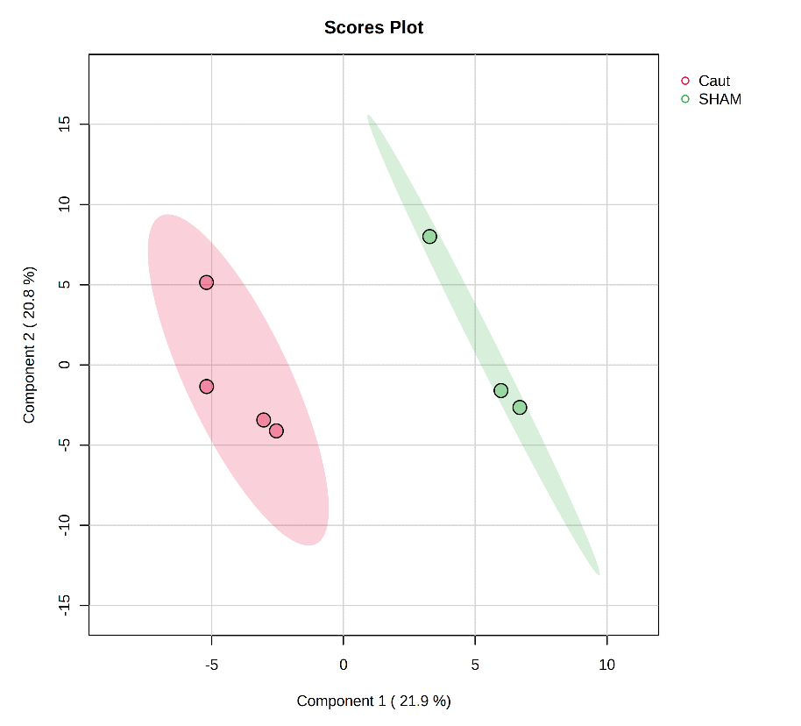
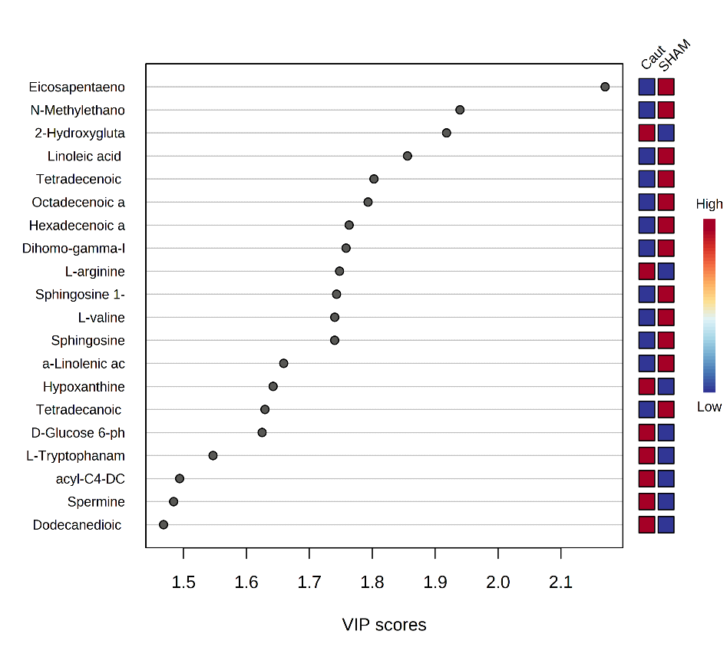

Fold Change Analysis | Fold Change | log2(FC)
D-Glucosamine | 3.3614 | 1.749
alpha-D-Glucosamine 1-phosphate | 0.31944 | -1.6464
Tetradecenoic acid (myristoleic acid) | 0.35391 | -1.4986
Hexadecenoic acid (Palmitoleic acid) | 0.36822 | -1.4414
Octadecenoic acid (Oleic acid) | 0.38298 | -1.3846
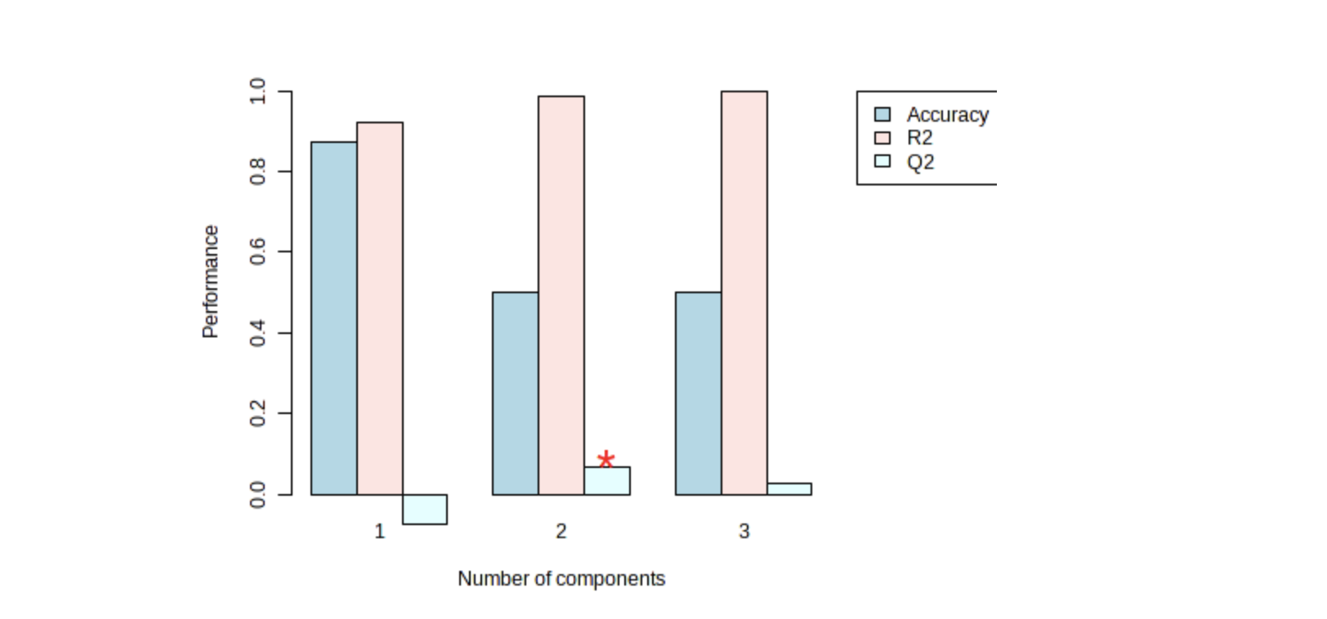
Dihomo-gamma-linolenic acid ((8Z-11Z-14Z)-Icosatrienoic acid) | 0.38645 | -1.3716
Sphingosine 1-phosphate | 0.39005 | -1.3583
Linoleic acid ((9Z,12Z)-Octadecadienoic acid) | 0.40069 | -1.3195
Eicosapentaenoic acid | 0.40893 | -1.2901
Tetradecanoic acid (myristic acid) | 0.48469 | -1.0449
a-Linolenic acid (Octadecatrienoic acid) | 0.49333 | -1.0194

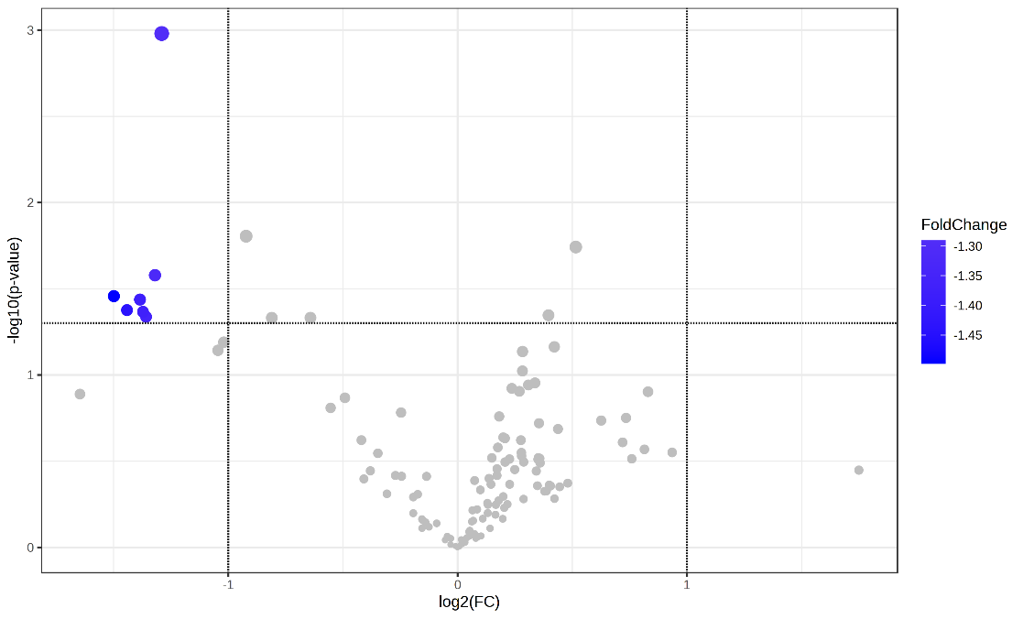
Volcan plot combing Fold change (FC) analysis with T-test
Metabolites | FC | log2(FC) | raw.pval | negativelog10 (pvalue)
Eicosapentaenoic acid | 0.40893 | -1.2901 | 0.0010467 | 2.9802
Linoleic acid ((9Z,12Z)-Octadecadienoic acid) | 0.40069 | -1.3195 | 0.026384 | 1.5787
Tetradecenoic acid (myristoleic acid) | 0.35391 | -1.4986 | 0.034892 | 1.4573
Octadecenoic acid (Oleic acid) | 0.38298 | -1.3846 | 0.036534 | 1.4373
Hexadecenoic acid (Palmitoleic acid) | 0.36822 | -1.4414 | 0.042048 | 1.3762
Dihomo-gamma-linolenic acid ((8Z-11Z-14Z)-Icosatrienoic acid) | 0.38645 | -1.3716 | 0.042999 | 1.3665
Sphingosine 1-phosphate | 0.39005 | -1.3583 | 0.045966 | 1.3376

