Supplementary Figure 14G
Supplementary Figure 14G

RPMI1640
Supernatant
iWAT CM
iWAT-EVs
HSP70
70 kDa

45 kDa
CD63
35 kDa

Adiponectin

25 kDa

Supplementary Figure 16B
Supplementary Figure 16B
αCT
 | Sham-Veh |  |  |  | iFR-Veh |  |  |  | iFR-EV |  |  |  | iFR-EV△RA
aCT | 1.015191 | 0.984809 | 1.12 | 0.88 | 0.576107 | 0.639774 | 0.591065 | 0.5654 | 1.143406 | 1.432319 | 1.252114 | 1.3659 | 0.640051 | 0.629311 | 0.617064 | 0.6523
aGT | 0.969728 | 1.030272 | 1.12 | 0.88 | 0.212159 | 0.2344 | 0.227768 | 0.3265 | 1.220473 | 1.451731 | 1.362964 | 1.3694 | 0.27056 | 0.290804 | 0.286325 | 0.3265
Iu-ca | 1.019769 | 0.980231 | 1.12 | 0.88 | 0.893206 | 0.842893 | 0.833032 | 0.8369 | 1.082326 | 1.251859 | 1.120012 | 1.2236 | 0.860533 | 0.856818 | 0.824037 | 0.7569

317 bp
171 bp

αGT

497 bp
357 bp
95 bp
Iµ-Cα

267 bp

Hprt

131 bp

Treatment:
Veh
Veh
EVs
EVs△RA
Operation:
iSham
iFR

Supplementary Figure 20E
Fold change

 | AAV-GFP |  |  |  | AAV-CYP26C1
aCT | 0.687973 | 0.573872 | 1.419156 | 1.318999 | 0.466372 | 0.448704 | 0.302228 | 0.300171
aGT | 0.739755 | 1.085544 | 0.951893 | 1.222807 | 0.385539 | 0.383171 | 0.866808 | 0.862126
Iu-Ca | 1.279162 | 0.765656 | 1.021593 | 0.933589 | 0.256123 | 0.31179 | 0.16001 | 0.834134

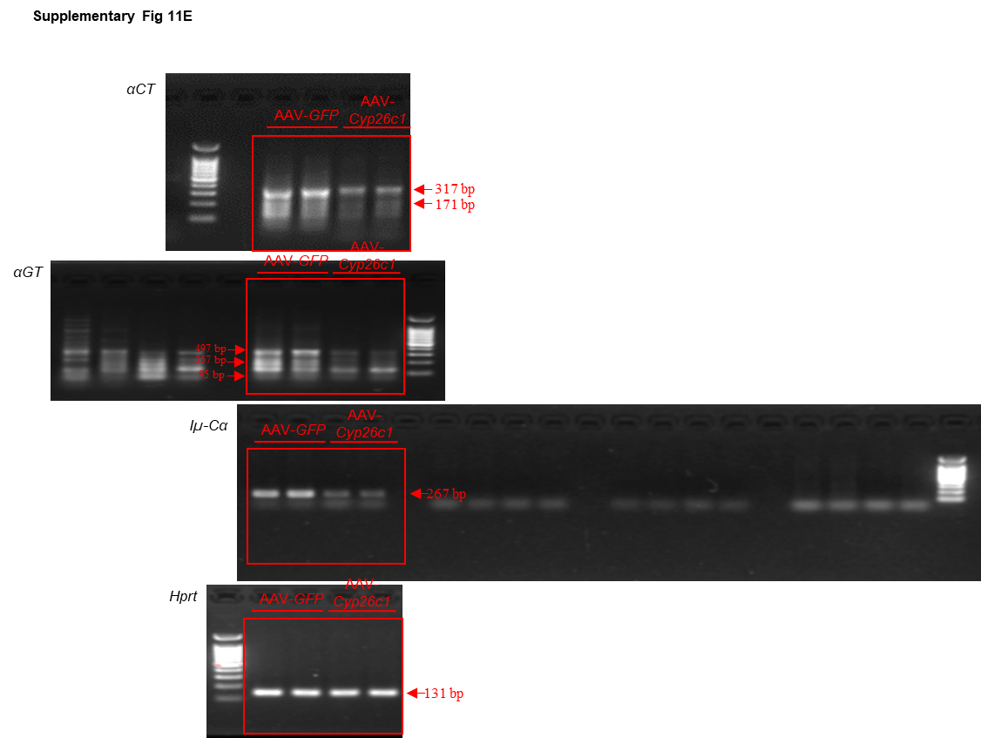

Supplementary Figure 24D
Protein expression
in iWAT (fold change)
 | Young |  |  |  | Aged
CYP26C1 | 0.671247 | 1.060898 | 1.085173 | 1.182683 | 1.177235 | 1.430483 | 1.489036 | 1.380195
RALDH2 | 0.927863 | 0.929665 | 1.352258 | 0.790214 | 0.472716 | 0.668796 | 0.362568 | 0.497373

Supplementary Fig 24 D

Young
Aged
CYP26C1
70 KDa
50 KDa

ALDH1A2
70 KDa

50 KDa

HSP90

100 KDa
70 KDa

Supplementary Figure 25C
Protein expression
in eWAT (fold change)
 | Young |  |  |  | Aged
CYP26C1 | 0.622732 | 0.683342 | 1.629407 | 1.064518 | 0.7449 | 1.963726 | 0.491659 | 0.704313
RALDH2 | 1.061495 | 0.82942 | 1.0195 | 1.089586 | 1.008249 | 1.811145 | 1.552441 | 0.933493

Supplementary Fig 25 C
Young
Aged
CYP26C1
70 KDa
50 KDa

ALDH1A2
70 KDa
50 KDa

HSP90
100 KDa
70 KDa

Supplementary Figure 25D
Protein expression
in liver (fold change)
 | Young |  |  |  | Aged
CYP26C1 | 0.75305 | 1.08774 | 0.974786 | 1.184423 | 0.612156 | 0.498269 | 0.654809 | 0.545628
RALDH2 | 0.374942 | 0.87674 | 1.16517 | 1.583148 | 0.558291 | 0.546124 | 0.792095 | 0.421157

Supplementary Fig 25 D
Young
Aged

CYP26C1
70 KDa
50 KDa

ALDH1A2
70 KDa
50 KDa

HSP90
100 KDa
70 KDa

Supplementary Figure 26C
Fold change
 | Young |  |  |  | Aged-Veh |  |  |  | Aged-exo |  |  |  | Aged-exo△RA
aCT | 1.12 | 1.02 | 0.98 | 0.88 | 0.53 | 0.49 | 0.66 | 0.88 | 1.15 | 0.71 | 1.22 | 0.99 | 0.59 | 0.79 | 0.66 | 0.8
aGT | 1.15 | 1.2 | 0.8 | 0.85 | 0.49 | 0.69 | 0.55 | 0.68 | 1.22 | 0.89 | 1.1 | 1.24 | 0.66 | 0.59 | 0.39 | 0.56
Iu-ca | 1.2 | 0.98 | 0.8 | 1.02 | 0.45 | 0.69 | 0.78 | 0.66 | 1.15 | 1.32 | 0.99 | 0.88 | 0.69 | 0.42 | 0.56 | 0.6

Supplementary Figure26 C
LP:
αCT

Young
-Veh
Aged-
Veh
Aged-
EVs
Aged-
EVs△RA
317 bp
171 bp

αGT
Young
-Veh
Aged-
Veh
Aged-
EVs
Aged-
EVs△RA

497 bp
357 bp
95 bp
Iµ-Cα

Young
-Veh
Aged-
Veh
Aged-
EVs
Aged-
EVs△RA

267 bp

Hprt

Young
-Veh
Aged-
Veh
Aged-
EVs
Aged-
EVs△RA

131 bp

