Figure 2A
Figure 2: NUDT5 is required for thiopurine-induced apoptosis.
(A) Western blot confirming NUDT5 knockout in the Nalm6 and 697 B-ALL cell lines.
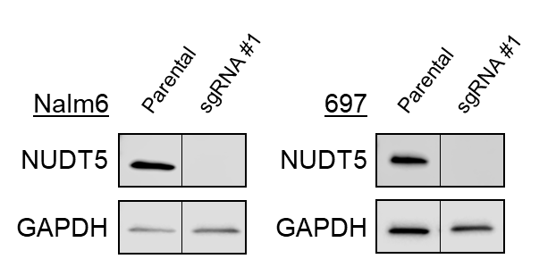

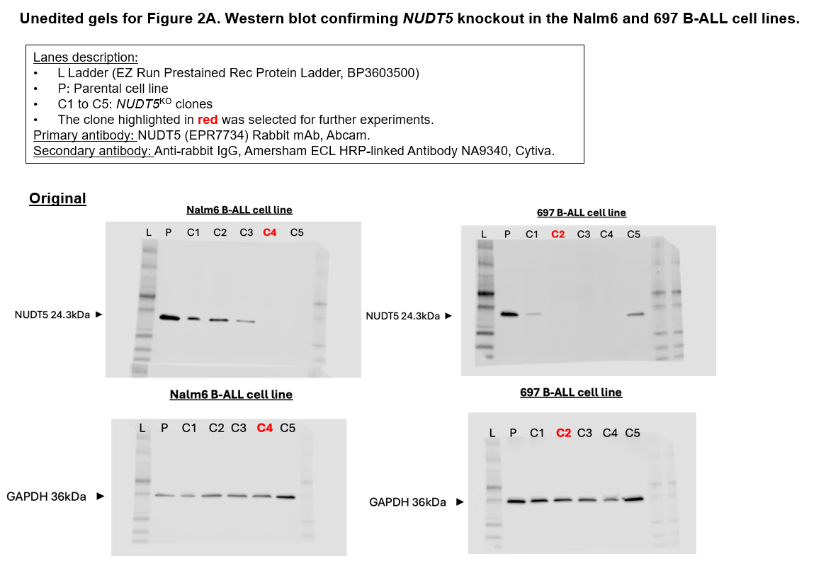

Supplemental Figures 2A and 2B
Supplemental Figure 2: NUDT5 depletion abolishes the activation of DNA damage response pathway after treatment with 6-mercaptopurine.
(A and B) Western blots showing the phosphorylation of DNA double strands breaks sensors ATM/ATR (pATM and pATR, respectively), and activated effectors Chk2, Chk1 and histone 2A (pChk2, pChk1 and γH2AX, respectively), after 24 hours of MP (5 μM) in parental and NUDT5KO Nalm6 cells. ß-actin was used as loading control.
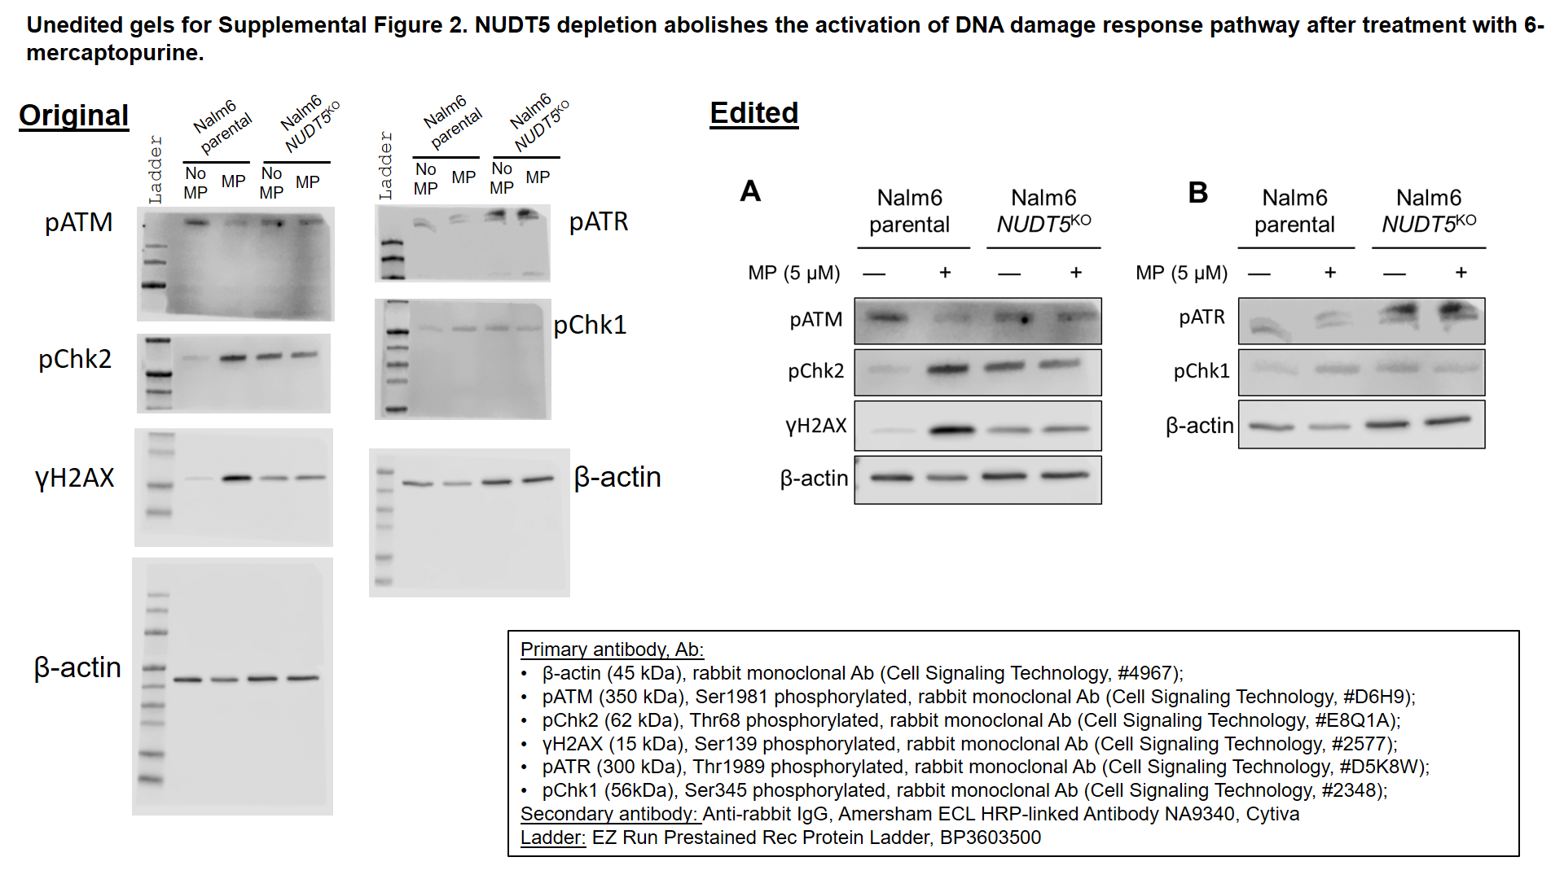

Supplemental Figure 4
Supplemental Figure 4: HPRT1 expression in NUDT5 knockout cells.
The expression of HPRT1 was verified by western blot in absence and presence of MP for 24 hours.

