Sheet1
Human Dataset (Chen Lab):
 | Müller glia: | RPE:
Total Number of Cells: | 221612 | 863
Number of LRAT+ Cells: | 15733 | 653
Percent LRAT+ Cells: | 7.0993448008 | 75.666280417

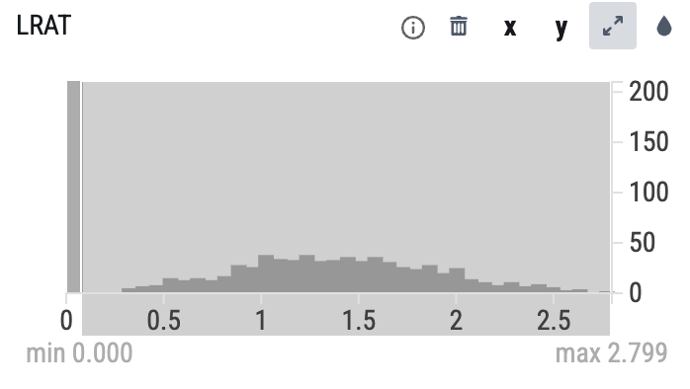
Muller glia: |  |  |  | RPE LRAT+ Thresholding:
Patient to Patient Variability:
Age Group (year-old): | Number LRAT+ MG cells: | Total Number of MG Cells: | Percent LRAT+ MG Cells:
10 | 52 | 772 | 6.7357512953
11 | 22 | 2028 | 1.0848126233
15 | 207 | 1989 | 10.407239819
16 | 320 | 3804 | 8.4121976866
17 | 75 | 526 | 14.258555133
18 | 5 | 386 | 1.2953367876
21 | 369 | 4216 | 8.7523719165
24 | 1 | 787 | 0.12706480305
25 | 35 | 1124 | 3.1138790036
27 | 24 | 11755 | 0.20416843896
3 | 19 | 289 | 6.5743944637
30 | 120 | 313 | 38.338658147
32 | 322 | 3300 | 9.7575757576
34 | 20 | 2871 | 0.69662138628
41 | 12 | 161 | 7.4534161491
43 | 574 | 6583 | 8.7194288318
46 | 136 | 3316 | 4.1013268999
47 | 82 | 1164 | 7.0446735395
50 | 9 | 3326 | 0.27059530968
52 | 83 | 2374 | 3.4962089301
53 | 469 | 3080 | 15.227272727
58 | 74 | 1803 | 4.10427066
60 | 74 | 2238 | 3.3065236819
62 | 32 | 9084 | 0.35226772347
63 | 171 | 1740 | 9.8275862069
64 | 430 | 10862 | 3.9587552937
65 | 325 | 4448 | 7.3066546763
66 | 496 | 3857 | 12.859735546
67 | 707 | 5805 | 12.1791559
68 | 329 | 6081 | 5.4102943595
69 | 528 | 18986 | 2.7809965238
70 | 6 | 487 | 1.2320328542
71 | 315 | 6651 | 4.7361299053
72 | 148 | 2740 | 5.401459854
73 | 500 | 13459 | 3.7149862546
74 | 11 | 120 | 9.1666666667
75 | 57 | 1618 | 3.5228677379
76 | 0 | 9 | 0
77 | 974 | 6386 | 15.252113999
78 | 72 | 2453 | 2.9351814105
80 | 867 | 8445 | 10.26642984
81 | 350 | 5428 | 6.4480471629
82 | 1662 | 10476 | 15.864833906
83 | 13 | 1015 | 1.2807881773
84 | 48 | 2559 | 1.8757327081
85 | 934 | 7102 | 13.151225007
86 | 424 | 6457 | 6.5665169583
88 | 567 | 6024 | 9.4123505976
Averages: | 272.29166667 | 4177.0208333 | 6.8538573596

MG Regional Comparisons:
 | Number LRAT+ MG cells: | Total Number of MG Cells: | Percent LRAT+ MG Cells:
Fovea centralis: | 427 | 58532 | 0.72951547871
macula lutea | 1924 | 54335 | 3.540995675
macula lutea proper | 82 | 3169 | 2.5875670559
peripheral region of retina | 13282 | 105576 | 12.580510722

MG LRAT Thresholding:
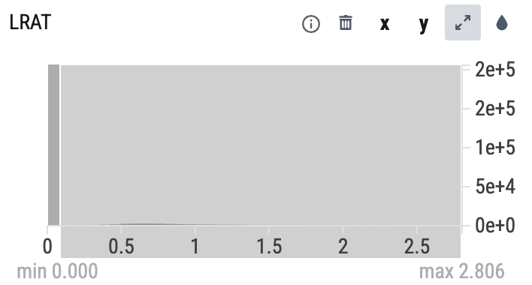

Partitioning from min 0.1508-2.806

